Continous_Plot
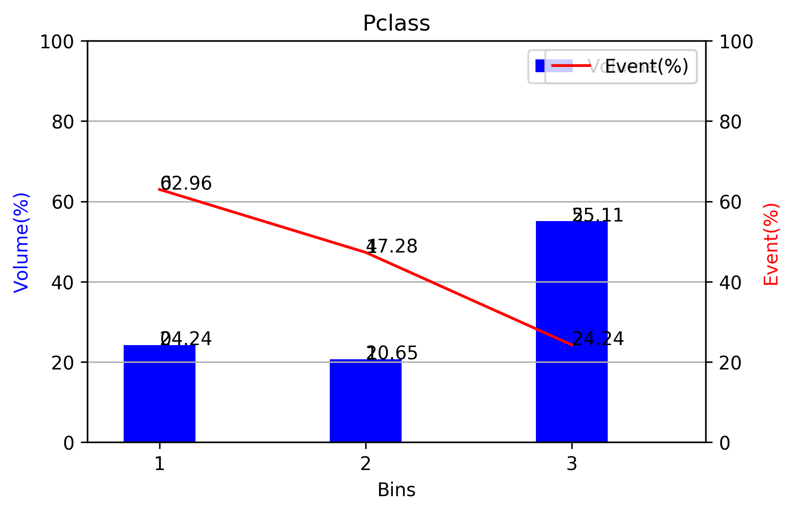
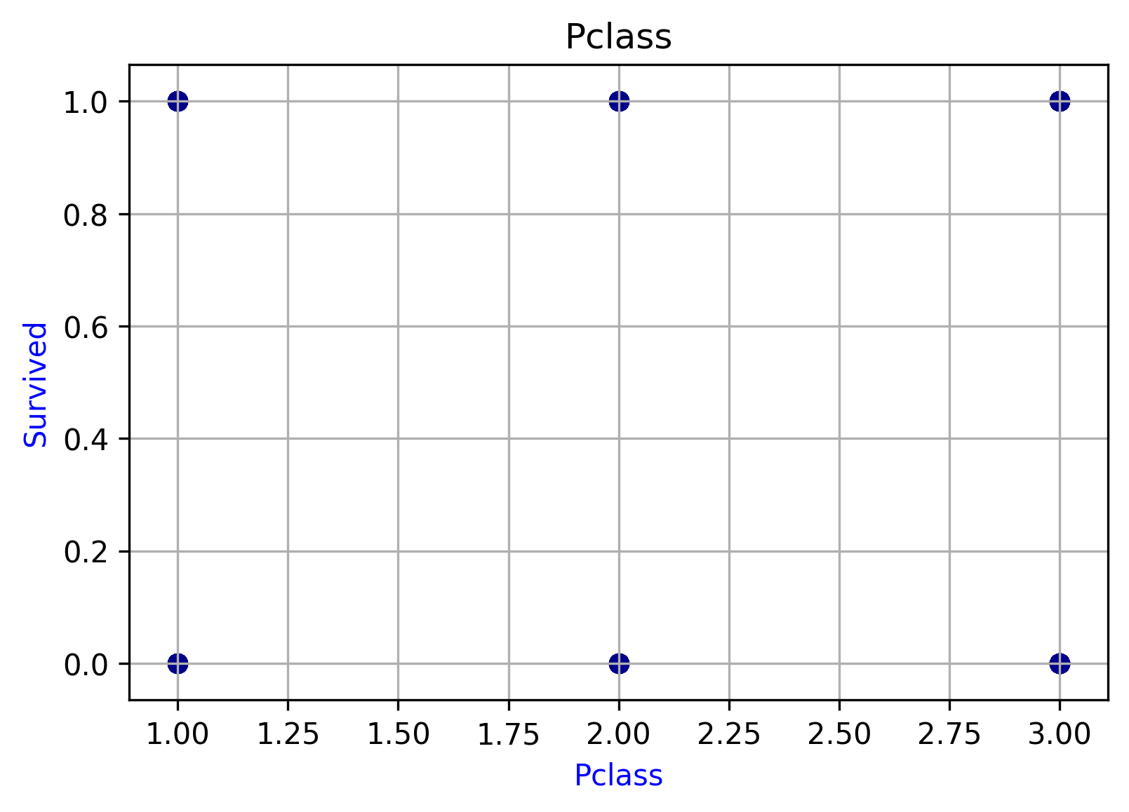
Pclass
Bins | Min | Max | Range | Event | Non-Event | Total | Volume(%) | Event(%)
1 | 1 | 1 | 1-1 | 136 | 80 | 216 | 0.24242424242 | 0.62962962963
2 | 2 | 2 | 2-2 | 87 | 97 | 184 | 0.20650953984 | 0.47282608696
3 | 3 | 3 | 3-3 | 119 | 372 | 491 | 0.55106621773 | 0.24236252546
Total |  |  |  | 342 | 549 | 891 | 1 | 0.38383838384

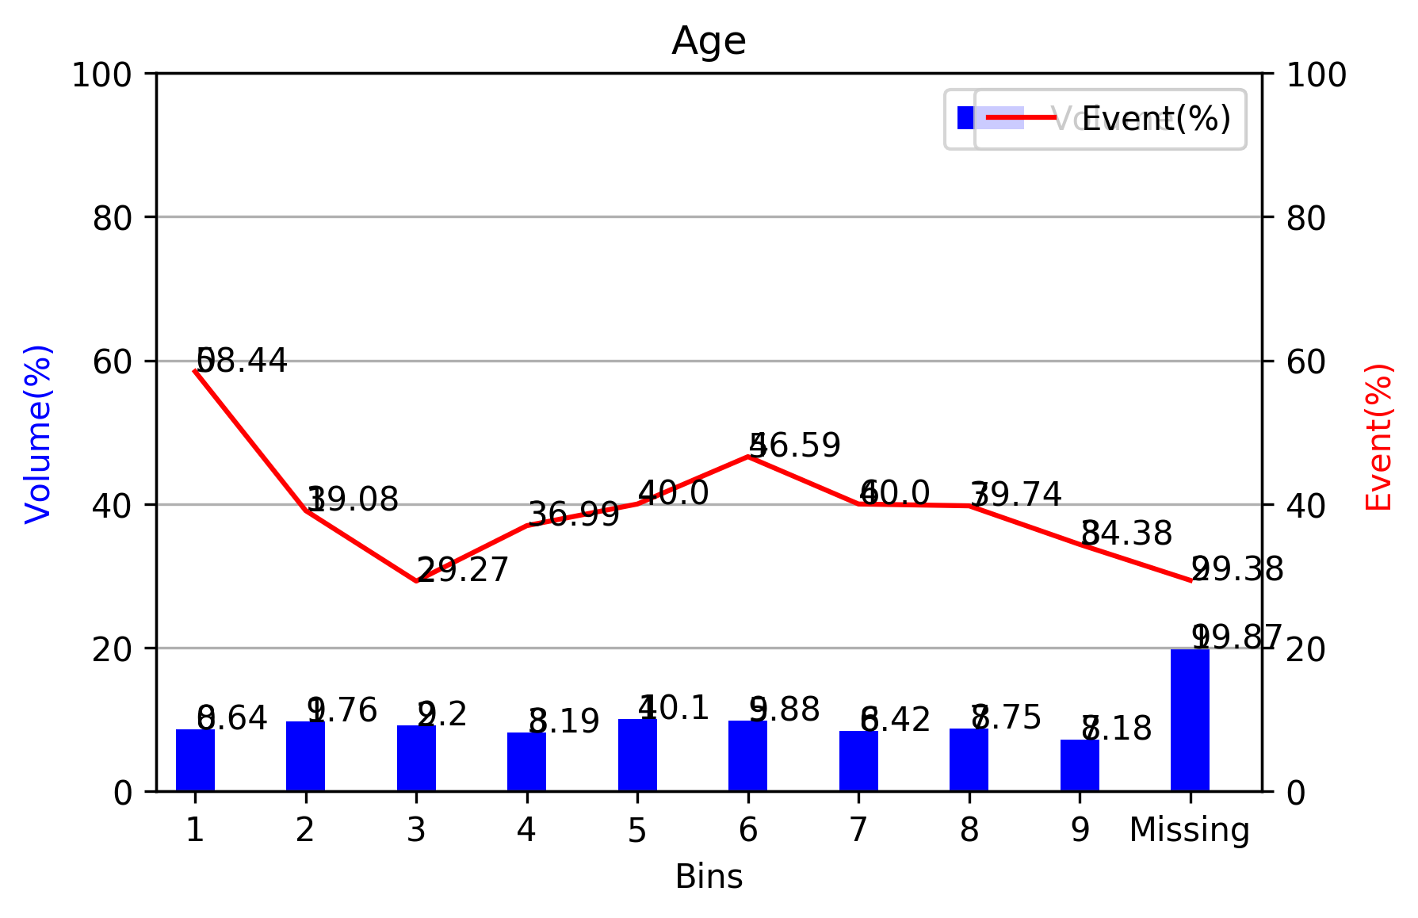
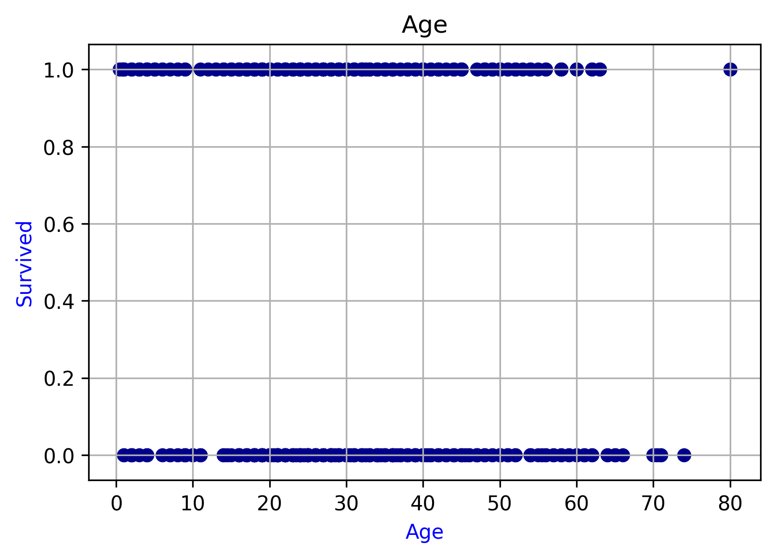
Age
Bins | Min | Max | Range | Event | Non-Event | Total | Volume(%) | Event(%)
1 | 0.42 | 14 | 0.42-14.0 | 45 | 32 | 77 | 0.086419753086 | 0.58441558442
2 | 14.5 | 19 | 14.5-19.0 | 34 | 53 | 87 | 0.097643097643 | 0.3908045977
3 | 20 | 23 | 20.0-23.0 | 24 | 58 | 82 | 0.092031425365 | 0.29268292683
4 | 23.5 | 26 | 23.5-26.0 | 27 | 46 | 73 | 0.081930415264 | 0.3698630137
5 | 27 | 30 | 27.0-30.0 | 36 | 54 | 90 | 0.10101010101 | 0.4
6 | 30.5 | 35 | 30.5-35.0 | 41 | 47 | 88 | 0.098765432099 | 0.46590909091
7 | 36 | 41 | 36.0-41.0 | 30 | 45 | 75 | 0.084175084175 | 0.4
8 | 42 | 50 | 42.0-50.0 | 31 | 47 | 78 | 0.087542087542 | 0.39743589744
9 | 51 | 80 | 51.0-80.0 | 22 | 42 | 64 | 0.071829405163 | 0.34375
Missing | Missing | Missing | Missing-Missing | 52 | 125 | 177 | 0.19865319865 | 0.29378531073
Total |  |  |  | 342 | 549 | 891 | 1 | 0.38383838384

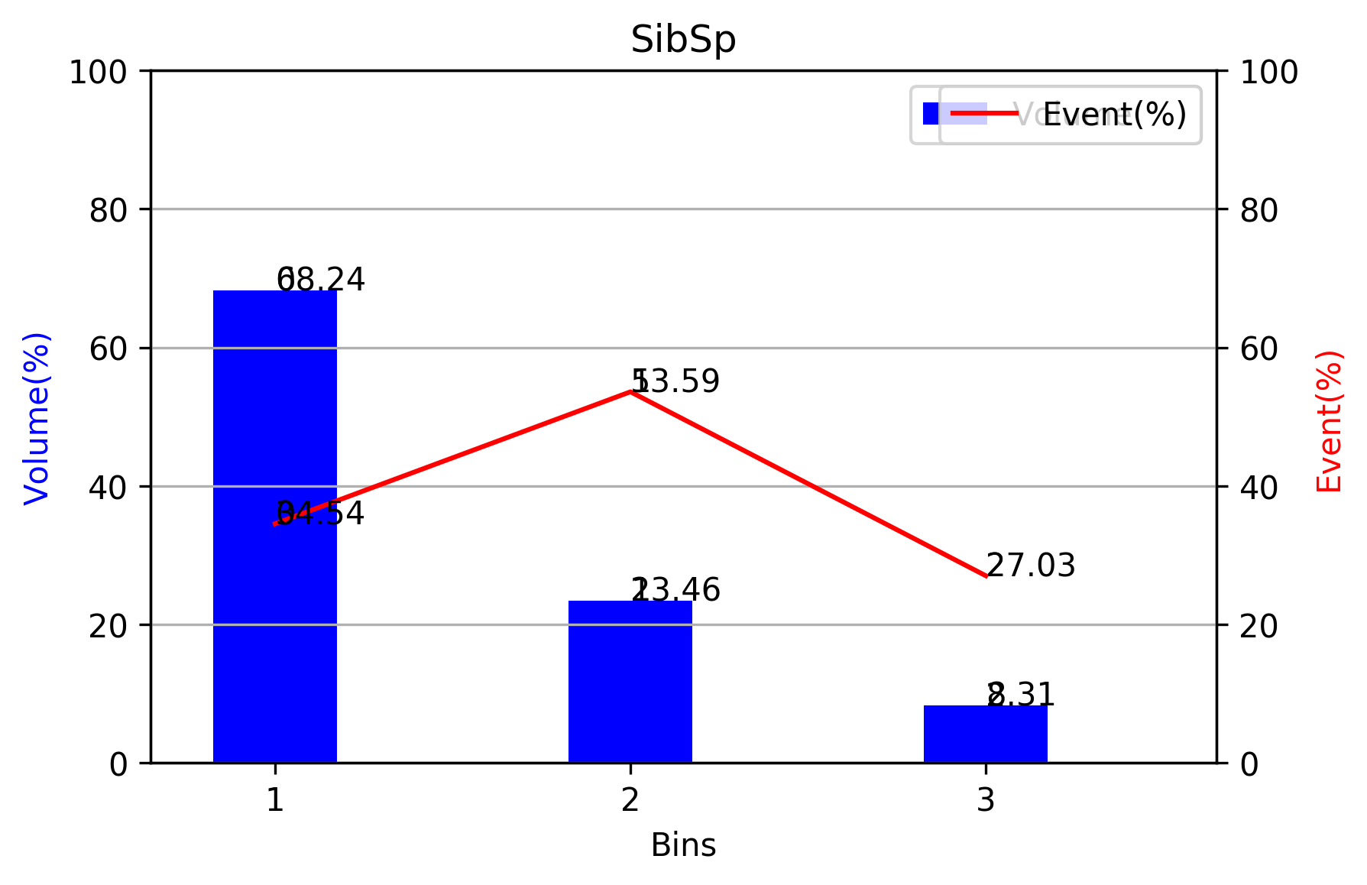
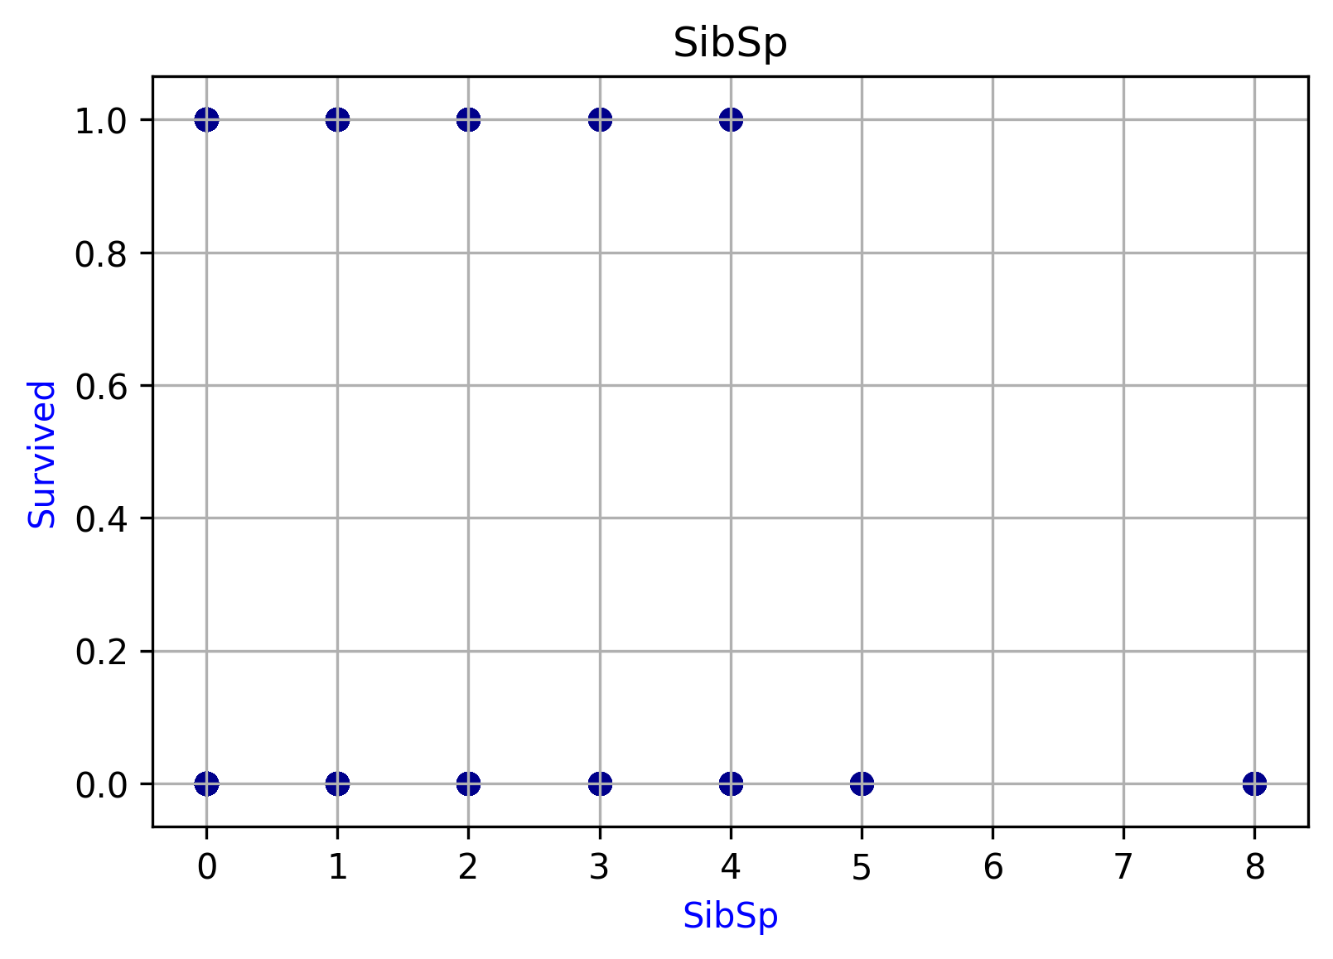
SibSp
Bins | Min | Max | Range | Event | Non-Event | Total | Volume(%) | Event(%)
1 | 0 | 0 | 0-0 | 210 | 398 | 608 | 0.68237934905 | 0.34539473684
2 | 1 | 1 | 1-1 | 112 | 97 | 209 | 0.23456790123 | 0.53588516746
3 | 2 | 8 | 2-8 | 20 | 54 | 74 | 0.083052749719 | 0.27027027027
Total |  |  |  | 342 | 549 | 891 | 1 | 0.38383838384

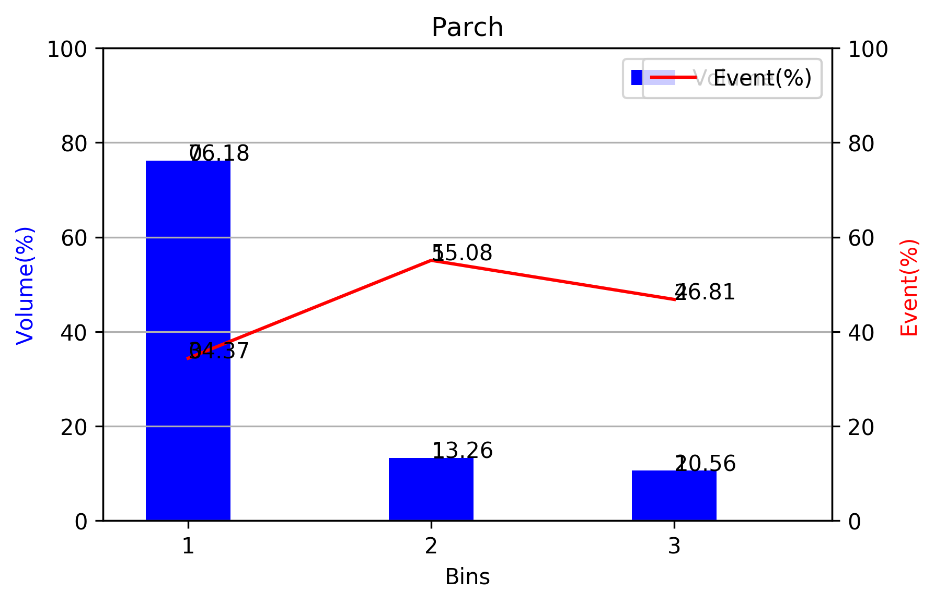
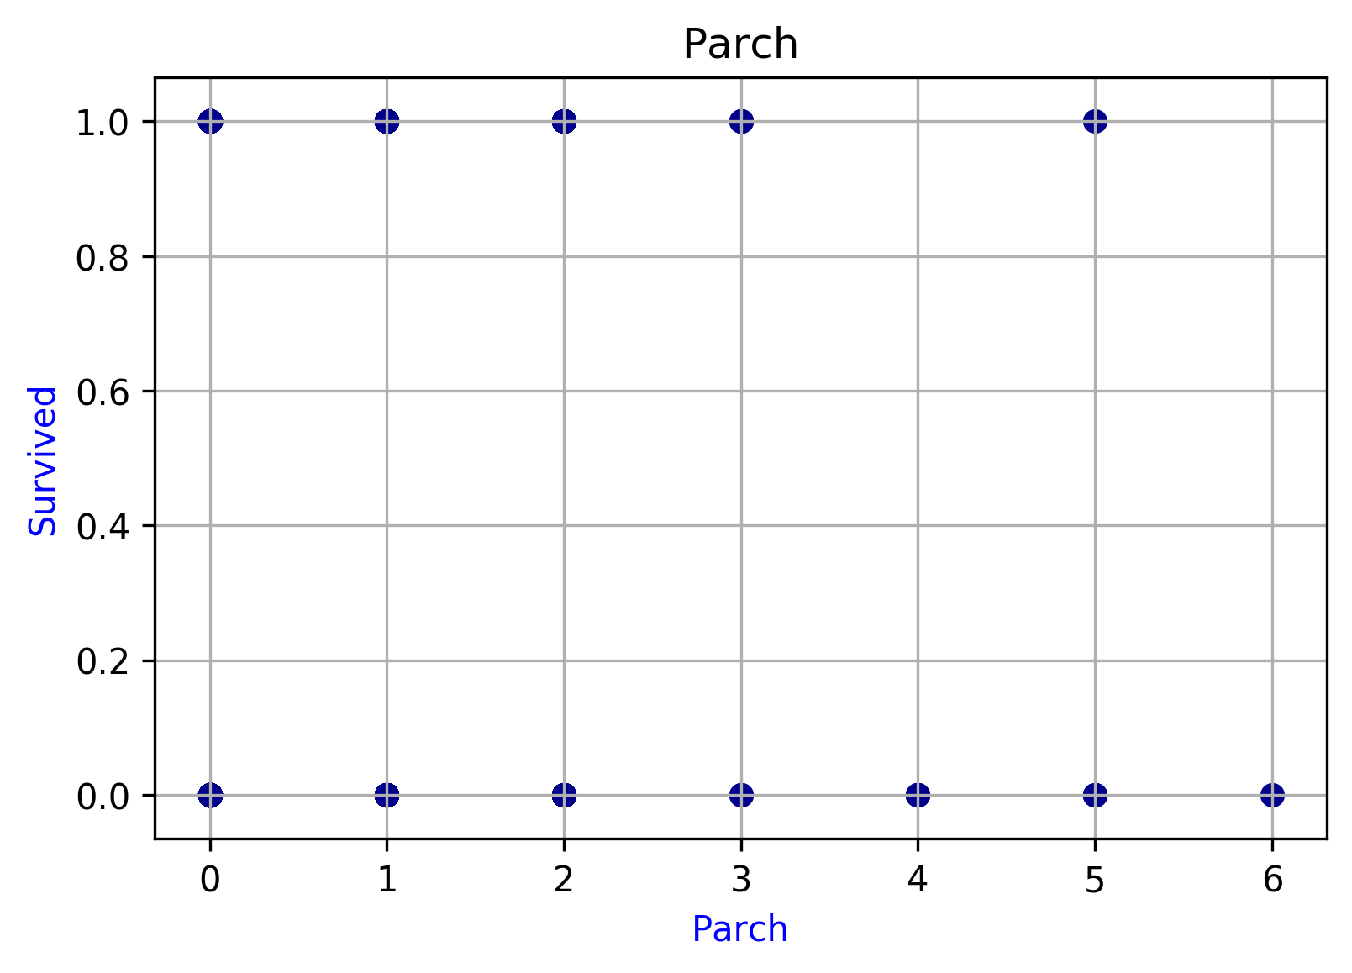
Parch
Bins | Min | Max | Range | Event | Non-Event | Total | Volume(%) | Event(%)
1 | 0 | 0 | 0-0 | 233 | 445 | 678 | 0.76179775281 | 0.34365781711
2 | 1 | 1 | 1-1 | 65 | 53 | 118 | 0.13258426966 | 0.55084745763
3 | 2 | 5 | 2-5 | 44 | 50 | 94 | 0.10561797753 | 0.46808510638
Total |  |  |  | 342 | 548 | 890 | 1 | 0.38426966292

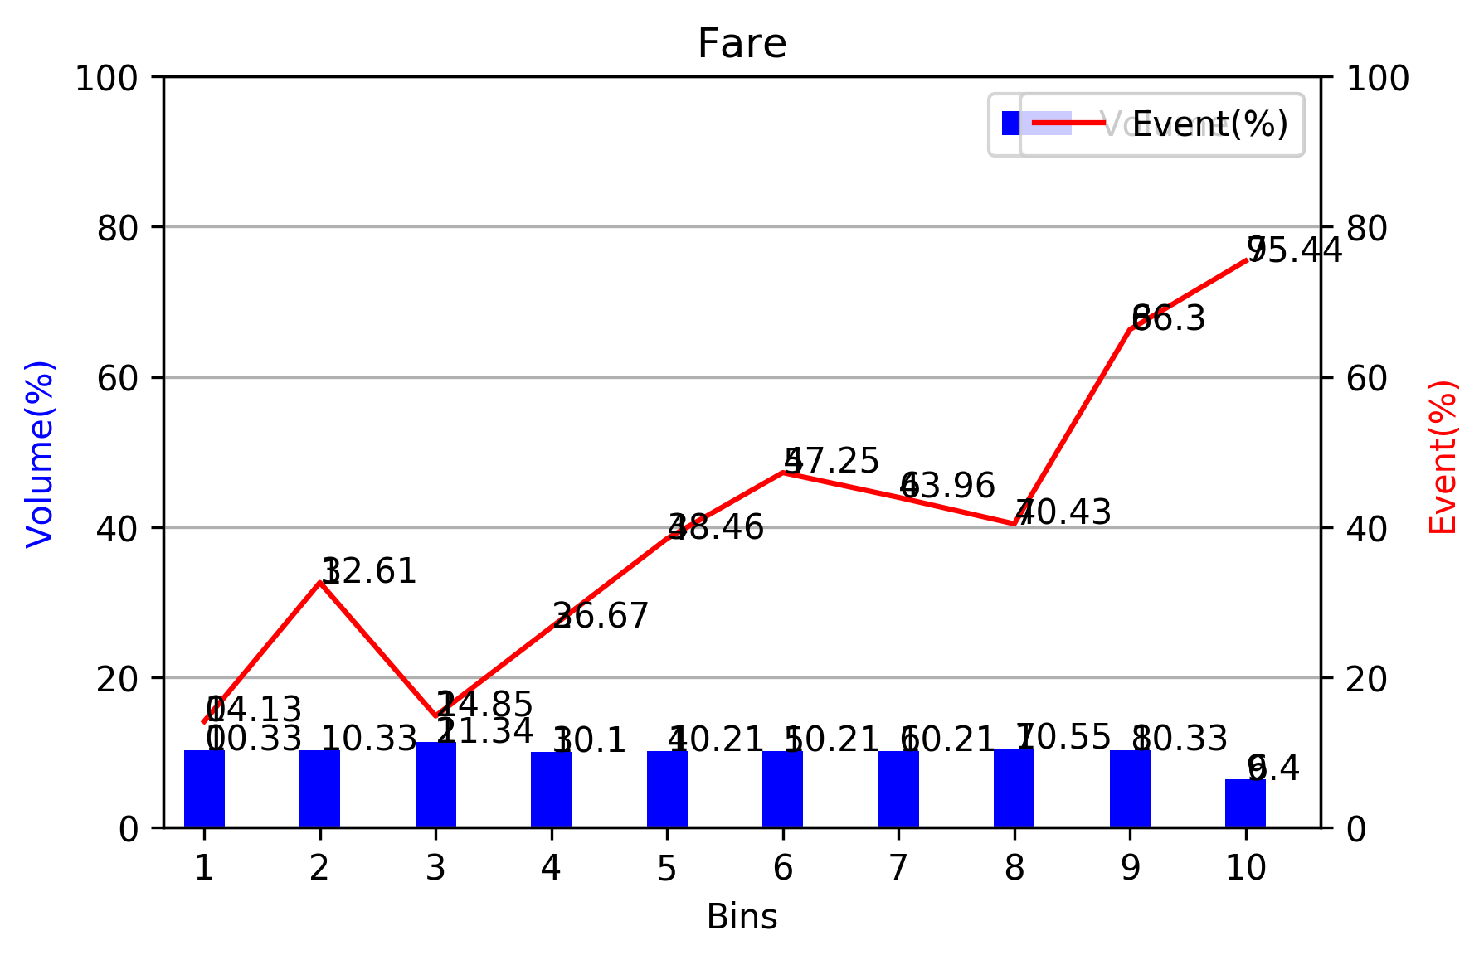
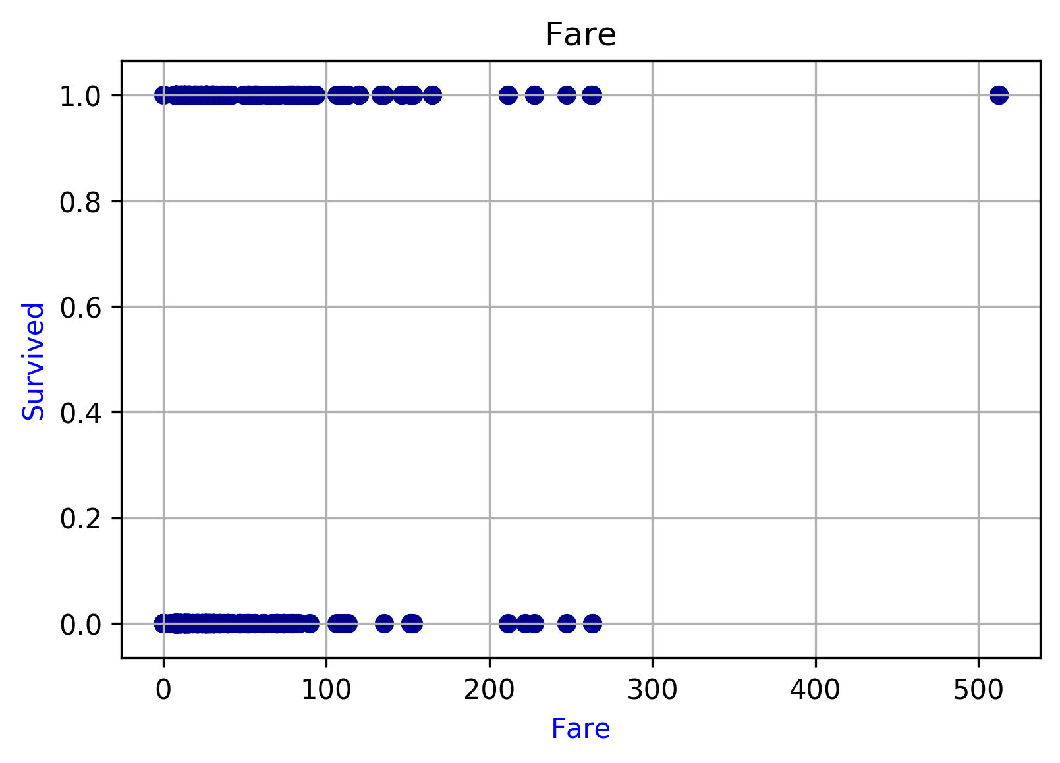
Fare
Bins | Min | Max | Range | Event | Non-Event | Total | Volume(%) | Event(%)
1 | 0 | 7.55 | 0.0-7.55 | 13 | 79 | 92 | 0.10325476992 | 0.14130434783
2 | 7.6292 | 7.8792 | 7.6292-7.8792 | 30 | 62 | 92 | 0.10325476992 | 0.32608695652
3 | 7.8875 | 8.05 | 7.8875-8.05 | 15 | 86 | 101 | 0.11335578002 | 0.14851485149
4 | 8.1125 | 12.275 | 8.1125-12.275 | 24 | 66 | 90 | 0.10101010101 | 0.26666666667
5 | 12.2875 | 15.2458 | 12.2875-15.2458 | 35 | 56 | 91 | 0.10213243547 | 0.38461538462
6 | 15.5 | 24.15 | 15.5-24.15 | 43 | 48 | 91 | 0.10213243547 | 0.47252747253
7 | 25.4667 | 29.125 | 25.4667-29.125 | 40 | 51 | 91 | 0.10213243547 | 0.43956043956
8 | 29.7 | 52 | 29.7-52.0 | 38 | 56 | 94 | 0.10549943883 | 0.40425531915
9 | 52.5542 | 90 | 52.5542-90.0 | 61 | 31 | 92 | 0.10325476992 | 0.66304347826
10 | 91.0792 | 512.3292 | 91.0792-512.3292 | 43 | 14 | 57 | 0.063973063973 | 0.75438596491
Total |  |  |  | 342 | 549 | 891 | 1 | 0.38383838384

Categorical_Plot
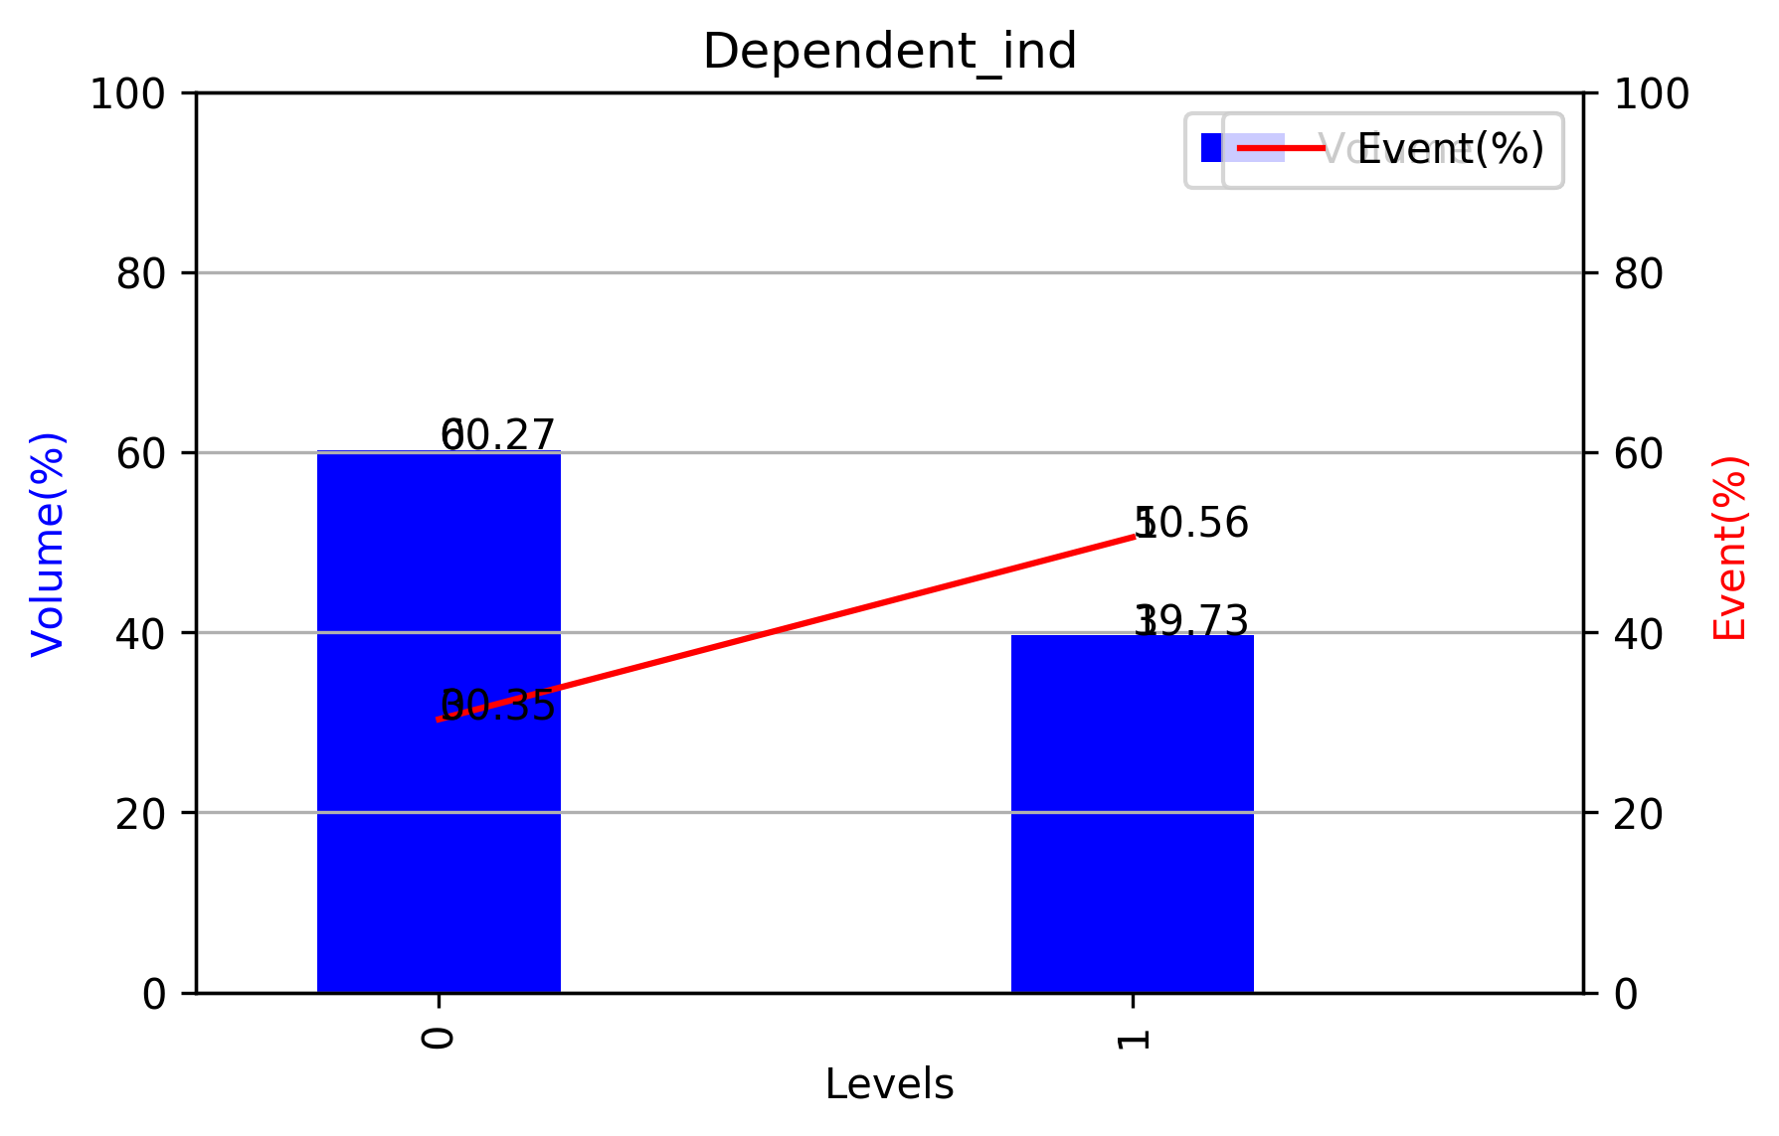
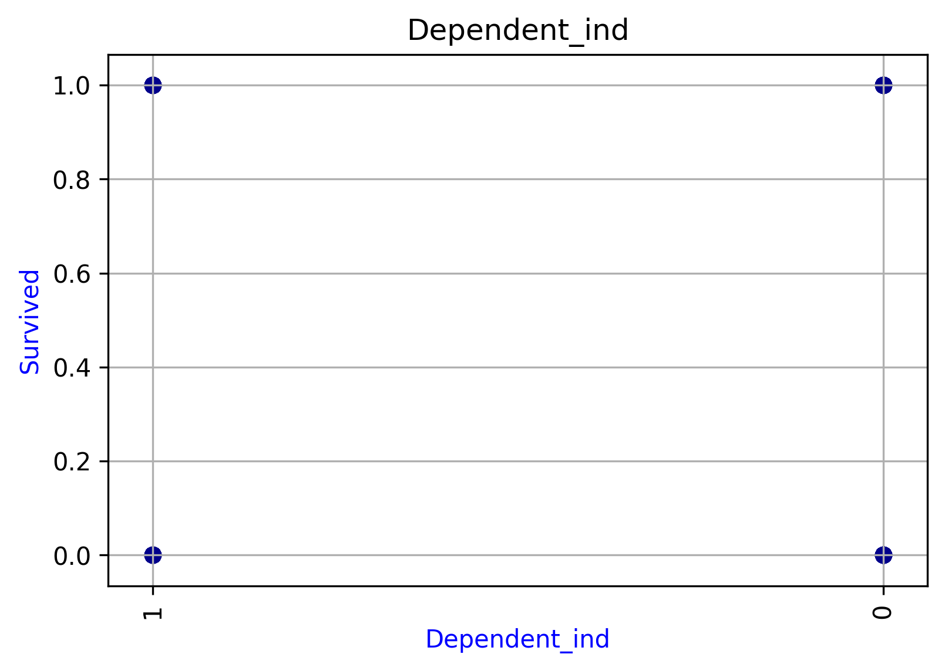
Dependent_ind
Levels | Event | Non-Event | Total | Volume(%) | Event(%)
0 | 163 | 374 | 537 | 0.60269360269 | 0.30353817505
1 | 179 | 175 | 354 | 0.39730639731 | 0.50564971751
Total | 342 | 549 | 891 | 1 | 0.38383838384

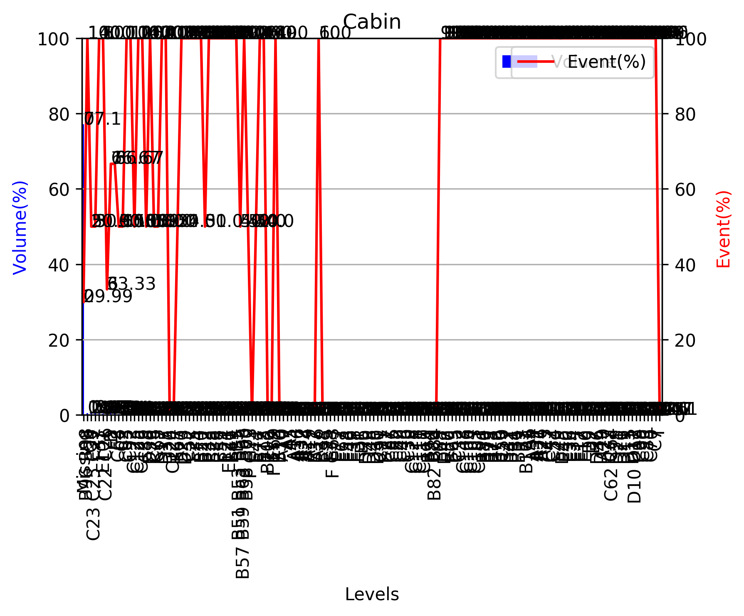
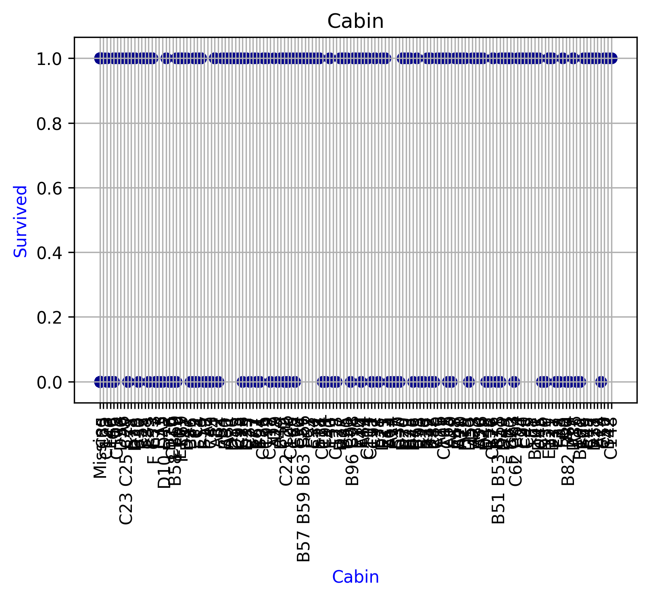
Cabin
Levels | Event | Non-Event | Total | Volume(%) | Event(%)
Missing | 206 | 481 | 687 | 0.77104377104 | 0.29985443959
B96 B98 | 4 | 0 | 4 | 0.0044893378227 | 1
G6 | 2 | 2 | 4 | 0.0044893378227 | 0.5
C23 C25 C27 | 2 | 2 | 4 | 0.0044893378227 | 0.5
F33 | 3 | 0 | 3 | 0.003367003367 | 1
E101 | 3 | 0 | 3 | 0.003367003367 | 1
C22 C26 | 1 | 2 | 3 | 0.003367003367 | 0.33333333333
D | 2 | 1 | 3 | 0.003367003367 | 0.66666666667
F2 | 2 | 1 | 3 | 0.003367003367 | 0.66666666667
C68 | 1 | 1 | 2 | 0.0022446689113 | 0.5
C2 | 1 | 1 | 2 | 0.0022446689113 | 0.5
C93 | 2 | 0 | 2 | 0.0022446689113 | 1
C92 | 2 | 0 | 2 | 0.0022446689113 | 1
C123 | 1 | 1 | 2 | 0.0022446689113 | 0.5
C125 | 2 | 0 | 2 | 0.0022446689113 | 1
C126 | 2 | 0 | 2 | 0.0022446689113 | 1
C83 | 1 | 1 | 2 | 0.0022446689113 | 0.5
D36 | 2 | 0 | 2 | 0.0022446689113 | 1
C78 | 1 | 1 | 2 | 0.0022446689113 | 0.5
C65 | 1 | 1 | 2 | 0.0022446689113 | 0.5
D17 | 2 | 0 | 2 | 0.0022446689113 | 1
D35 | 2 | 0 | 2 | 0.0022446689113 | 1
D26 | 0 | 2 | 2 | 0.0022446689113 | 0
C124 | 0 | 2 | 2 | 0.0022446689113 | 0
E67 | 1 | 1 | 2 | 0.0022446689113 | 0.5
D20 | 2 | 0 | 2 | 0.0022446689113 | 1
D33 | 2 | 0 | 2 | 0.0022446689113 | 1
C52 | 2 | 0 | 2 | 0.0022446689113 | 1
E25 | 2 | 0 | 2 | 0.0022446689113 | 1
F4 | 2 | 0 | 2 | 0.0022446689113 | 1
B20 | 2 | 0 | 2 | 0.0022446689113 | 1
B22 | 1 | 1 | 2 | 0.0022446689113 | 0.5
E33 | 2 | 0 | 2 | 0.0022446689113 | 1
B28 | 2 | 0 | 2 | 0.0022446689113 | 1
E8 | 2 | 0 | 2 | 0.0022446689113 | 1
B35 | 2 | 0 | 2 | 0.0022446689113 | 1
E24 | 2 | 0 | 2 | 0.0022446689113 | 1
E121 | 2 | 0 | 2 | 0.0022446689113 | 1
B49 | 2 | 0 | 2 | 0.0022446689113 | 1
B5 | 2 | 0 | 2 | 0.0022446689113 | 1
B51 B53 B55 | 1 | 1 | 2 | 0.0022446689113 | 0.5
B57 B59 B63 B66 | 2 | 0 | 2 | 0.0022446689113 | 1
B58 B60 | 1 | 1 | 2 | 0.0022446689113 | 0.5
F G73 | 0 | 2 | 2 | 0.0022446689113 | 0
E44 | 1 | 1 | 2 | 0.0022446689113 | 0.5
B77 | 2 | 0 | 2 | 0.0022446689113 | 1
B18 | 2 | 0 | 2 | 0.0022446689113 | 1
B102 | 0 | 1 | 1 | 0.0011223344557 | 0
B19 | 0 | 1 | 1 | 0.0011223344557 | 0
F E69 | 1 | 0 | 1 | 0.0011223344557 | 1
B30 | 0 | 1 | 1 | 0.0011223344557 | 0
A10 | 0 | 1 | 1 | 0.0011223344557 | 0
A7 | 0 | 1 | 1 | 0.0011223344557 | 0
A5 | 0 | 1 | 1 | 0.0011223344557 | 0
A14 | 0 | 1 | 1 | 0.0011223344557 | 0
A36 | 0 | 1 | 1 | 0.0011223344557 | 0
A32 | 0 | 1 | 1 | 0.0011223344557 | 0
A24 | 0 | 1 | 1 | 0.0011223344557 | 0
A19 | 0 | 1 | 1 | 0.0011223344557 | 0
B37 | 0 | 1 | 1 | 0.0011223344557 | 0
A16 | 1 | 0 | 1 | 0.0011223344557 | 1
B38 | 0 | 1 | 1 | 0.0011223344557 | 0
C95 | 0 | 1 | 1 | 0.0011223344557 | 0
F38 | 0 | 1 | 1 | 0.0011223344557 | 0
F G63 | 0 | 1 | 1 | 0.0011223344557 | 0
E77 | 0 | 1 | 1 | 0.0011223344557 | 0
E63 | 0 | 1 | 1 | 0.0011223344557 | 0
E58 | 0 | 1 | 1 | 0.0011223344557 | 0
E46 | 0 | 1 | 1 | 0.0011223344557 | 0
E38 | 0 | 1 | 1 | 0.0011223344557 | 0
E31 | 0 | 1 | 1 | 0.0011223344557 | 0
D6 | 0 | 1 | 1 | 0.0011223344557 | 0
D50 | 0 | 1 | 1 | 0.0011223344557 | 0
D48 | 0 | 1 | 1 | 0.0011223344557 | 0
D46 | 0 | 1 | 1 | 0.0011223344557 | 0
D30 | 0 | 1 | 1 | 0.0011223344557 | 0
C91 | 0 | 1 | 1 | 0.0011223344557 | 0
B71 | 0 | 1 | 1 | 0.0011223344557 | 0
C87 | 0 | 1 | 1 | 0.0011223344557 | 0
C86 | 0 | 1 | 1 | 0.0011223344557 | 0
C82 | 0 | 1 | 1 | 0.0011223344557 | 0
C49 | 0 | 1 | 1 | 0.0011223344557 | 0
C46 | 0 | 1 | 1 | 0.0011223344557 | 0
C30 | 0 | 1 | 1 | 0.0011223344557 | 0
C128 | 0 | 1 | 1 | 0.0011223344557 | 0
C118 | 0 | 1 | 1 | 0.0011223344557 | 0
C111 | 0 | 1 | 1 | 0.0011223344557 | 0
C110 | 0 | 1 | 1 | 0.0011223344557 | 0
B94 | 0 | 1 | 1 | 0.0011223344557 | 0
B86 | 0 | 1 | 1 | 0.0011223344557 | 0
B82 B84 | 0 | 1 | 1 | 0.0011223344557 | 0
E68 | 1 | 0 | 1 | 0.0011223344557 | 1
D47 | 1 | 0 | 1 | 0.0011223344557 | 1
E50 | 1 | 0 | 1 | 0.0011223344557 | 1
B69 | 1 | 0 | 1 | 0.0011223344557 | 1
C45 | 1 | 0 | 1 | 0.0011223344557 | 1
C32 | 1 | 0 | 1 | 0.0011223344557 | 1
C148 | 1 | 0 | 1 | 0.0011223344557 | 1
C106 | 1 | 0 | 1 | 0.0011223344557 | 1
C104 | 1 | 0 | 1 | 0.0011223344557 | 1
C103 | 1 | 0 | 1 | 0.0011223344557 | 1
C101 | 1 | 0 | 1 | 0.0011223344557 | 1
B80 | 1 | 0 | 1 | 0.0011223344557 | 1
B79 | 1 | 0 | 1 | 0.0011223344557 | 1
B78 | 1 | 0 | 1 | 0.0011223344557 | 1
B73 | 1 | 0 | 1 | 0.0011223344557 | 1
B50 | 1 | 0 | 1 | 0.0011223344557 | 1
C50 | 1 | 0 | 1 | 0.0011223344557 | 1
B42 | 1 | 0 | 1 | 0.0011223344557 | 1
B41 | 1 | 0 | 1 | 0.0011223344557 | 1
B4 | 1 | 0 | 1 | 0.0011223344557 | 1
B39 | 1 | 0 | 1 | 0.0011223344557 | 1
B3 | 1 | 0 | 1 | 0.0011223344557 | 1
B101 | 1 | 0 | 1 | 0.0011223344557 | 1
A6 | 1 | 0 | 1 | 0.0011223344557 | 1
A34 | 1 | 0 | 1 | 0.0011223344557 | 1
A31 | 1 | 0 | 1 | 0.0011223344557 | 1
A26 | 1 | 0 | 1 | 0.0011223344557 | 1
A23 | 1 | 0 | 1 | 0.0011223344557 | 1
C47 | 1 | 0 | 1 | 0.0011223344557 | 1
C54 | 1 | 0 | 1 | 0.0011223344557 | 1
E49 | 1 | 0 | 1 | 0.0011223344557 | 1
D45 | 1 | 0 | 1 | 0.0011223344557 | 1
E40 | 1 | 0 | 1 | 0.0011223344557 | 1
E36 | 1 | 0 | 1 | 0.0011223344557 | 1
E34 | 1 | 0 | 1 | 0.0011223344557 | 1
E17 | 1 | 0 | 1 | 0.0011223344557 | 1
E12 | 1 | 0 | 1 | 0.0011223344557 | 1
E10 | 1 | 0 | 1 | 0.0011223344557 | 1
D9 | 1 | 0 | 1 | 0.0011223344557 | 1
D7 | 1 | 0 | 1 | 0.0011223344557 | 1
D56 | 1 | 0 | 1 | 0.0011223344557 | 1
D49 | 1 | 0 | 1 | 0.0011223344557 | 1
A20 | 1 | 0 | 1 | 0.0011223344557 | 1
D37 | 1 | 0 | 1 | 0.0011223344557 | 1
C62 C64 | 1 | 0 | 1 | 0.0011223344557 | 1
D28 | 1 | 0 | 1 | 0.0011223344557 | 1
D21 | 1 | 0 | 1 | 0.0011223344557 | 1
D19 | 1 | 0 | 1 | 0.0011223344557 | 1
D15 | 1 | 0 | 1 | 0.0011223344557 | 1
D11 | 1 | 0 | 1 | 0.0011223344557 | 1
D10 D12 | 1 | 0 | 1 | 0.0011223344557 | 1
C99 | 1 | 0 | 1 | 0.0011223344557 | 1
C90 | 1 | 0 | 1 | 0.0011223344557 | 1
C85 | 1 | 0 | 1 | 0.0011223344557 | 1
C70 | 1 | 0 | 1 | 0.0011223344557 | 1
C7 | 1 | 0 | 1 | 0.0011223344557 | 1
T | 0 | 1 | 1 | 0.0011223344557 | 0
Total | 342 | 549 | 891 | 1 | 0.38383838384

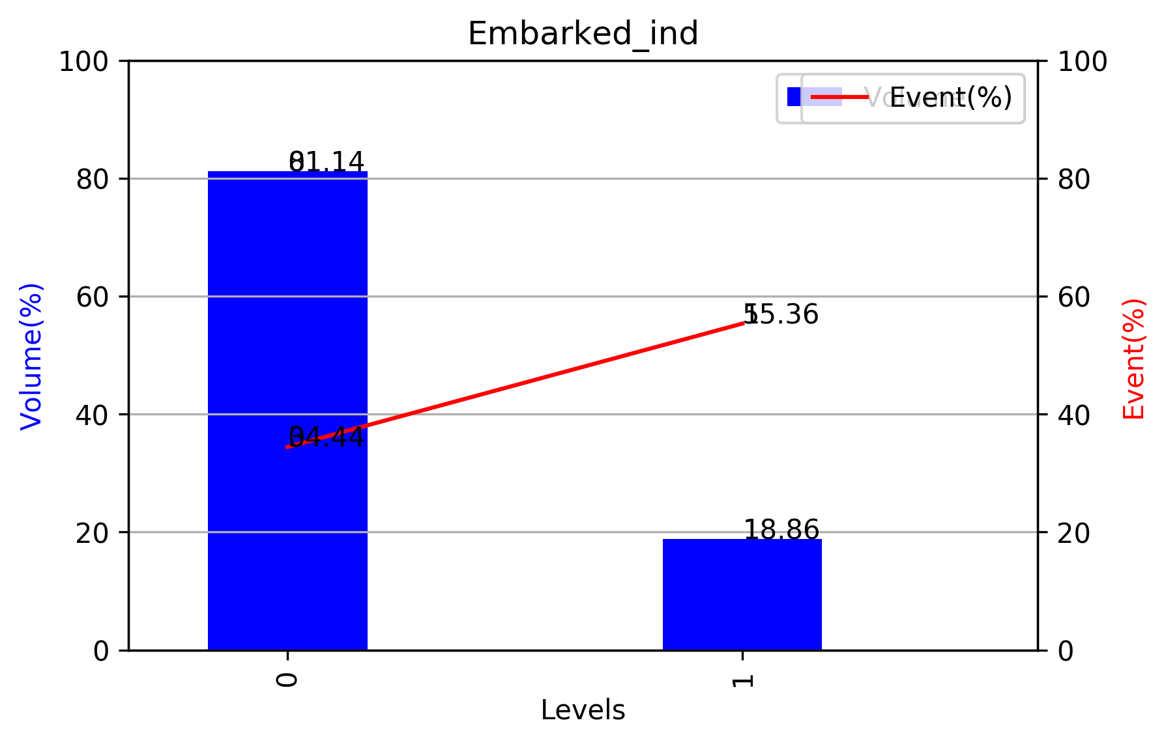
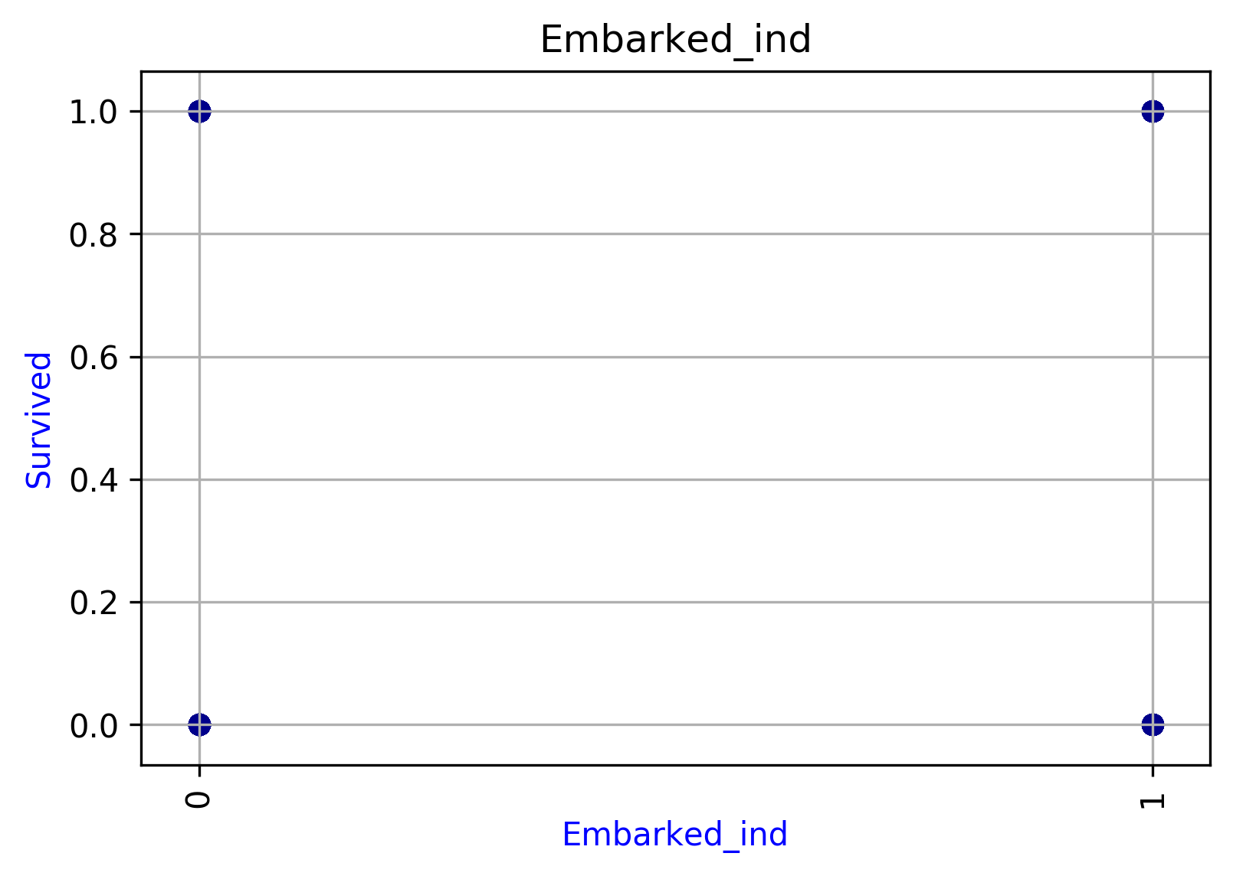
Embarked_ind
Levels | Event | Non-Event | Total | Volume(%) | Event(%)
0 | 249 | 474 | 723 | 0.81144781145 | 0.34439834025
1 | 93 | 75 | 168 | 0.18855218855 | 0.55357142857
Total | 342 | 549 | 891 | 1 | 0.38383838384

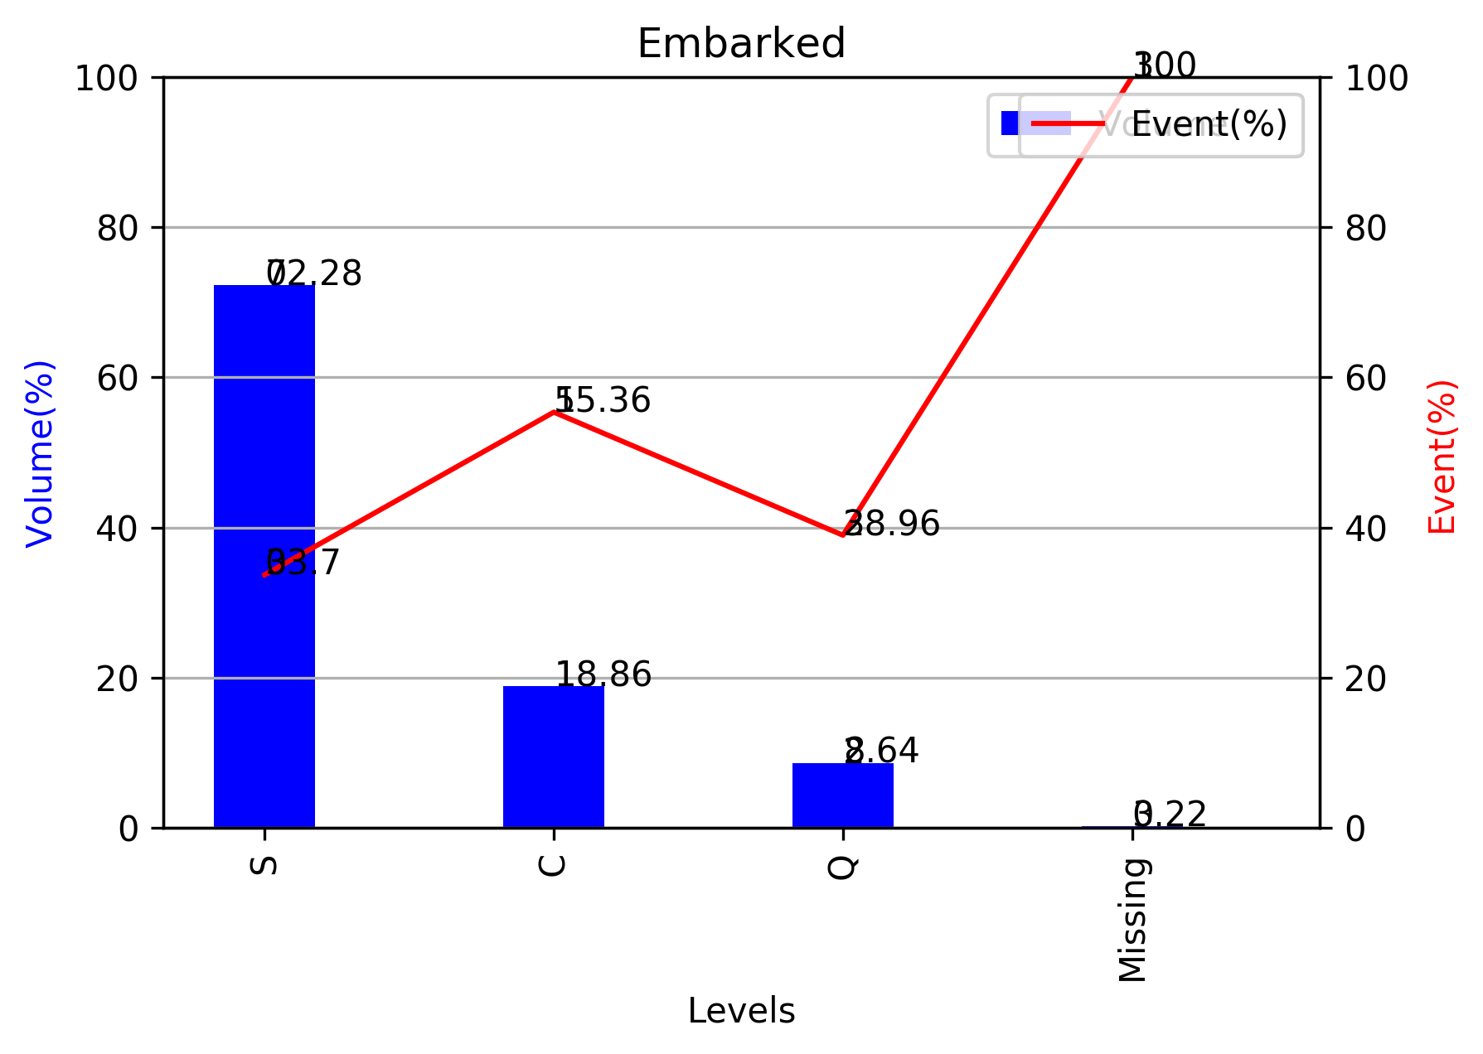
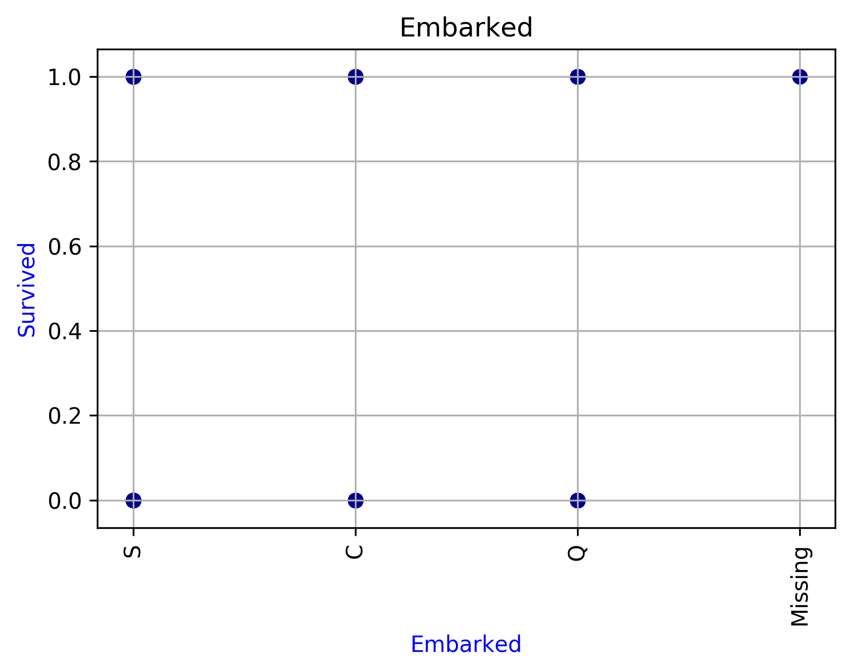
Embarked
Levels | Event | Non-Event | Total | Volume(%) | Event(%)
S | 217 | 427 | 644 | 0.72278338945 | 0.33695652174
C | 93 | 75 | 168 | 0.18855218855 | 0.55357142857
Q | 30 | 47 | 77 | 0.086419753086 | 0.38961038961
Missing | 2 | 0 | 2 | 0.0022446689113 | 1
Total | 342 | 549 | 891 | 1 | 0.38383838384

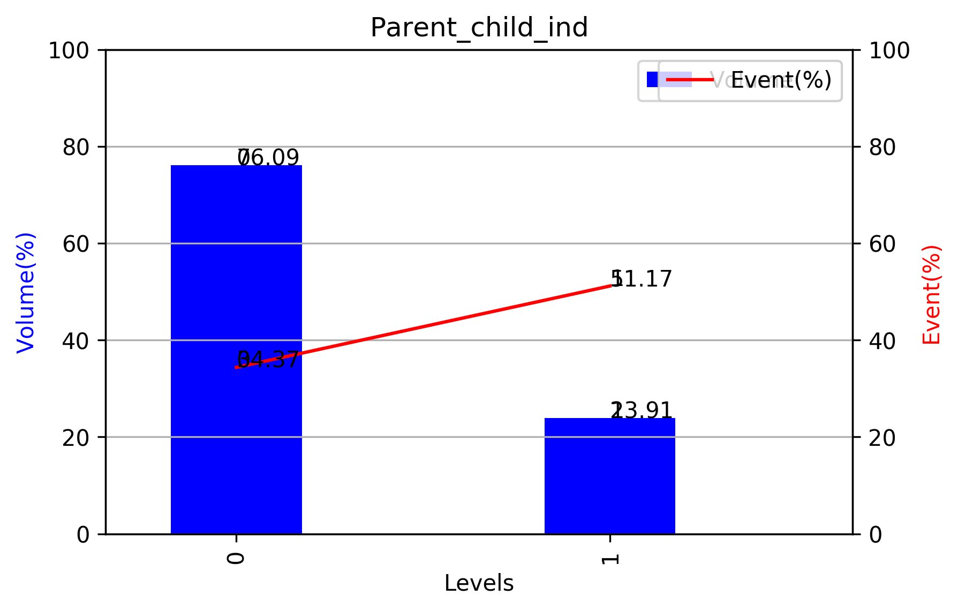
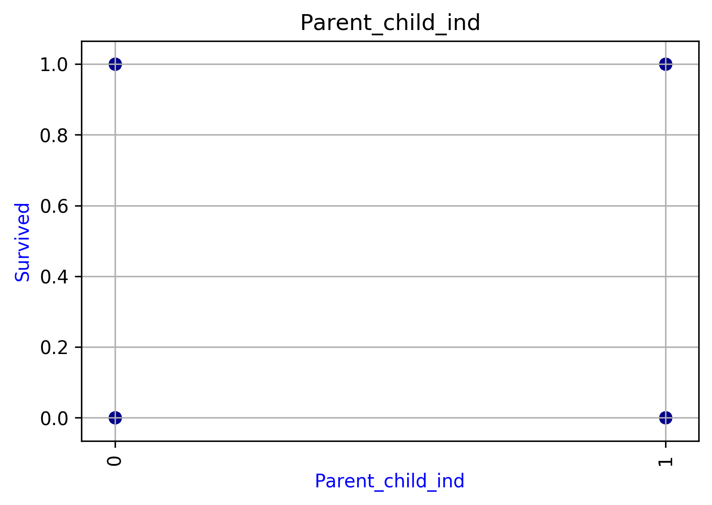
Parent_child_ind
Levels | Event | Non-Event | Total | Volume(%) | Event(%)
0 | 233 | 445 | 678 | 0.76094276094 | 0.34365781711
1 | 109 | 104 | 213 | 0.23905723906 | 0.5117370892
Total | 342 | 549 | 891 | 1 | 0.38383838384

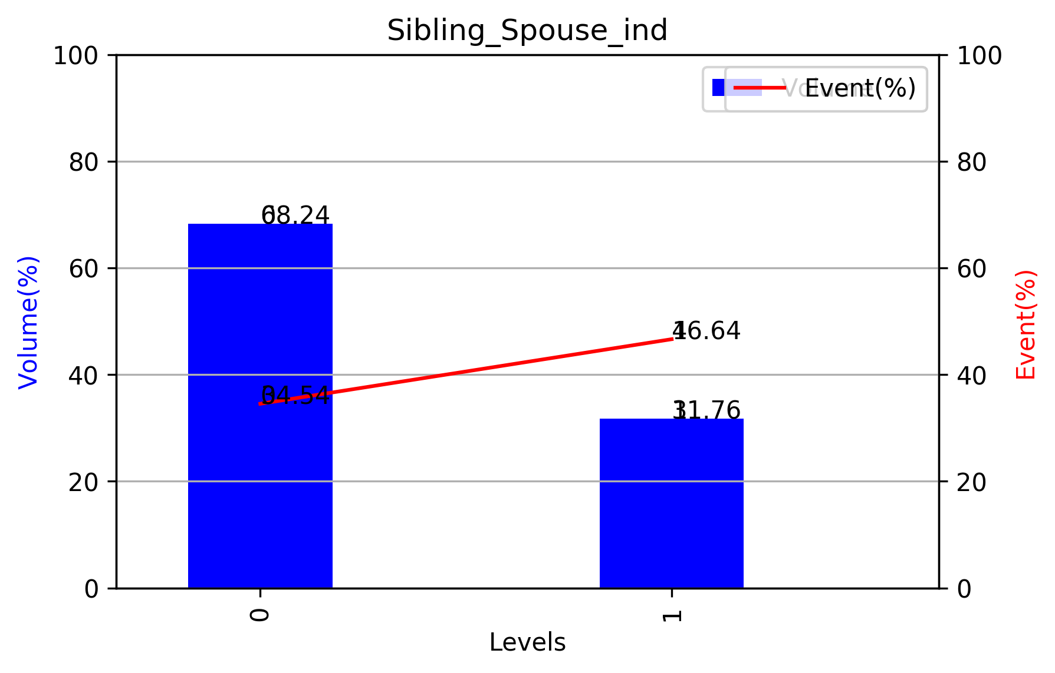
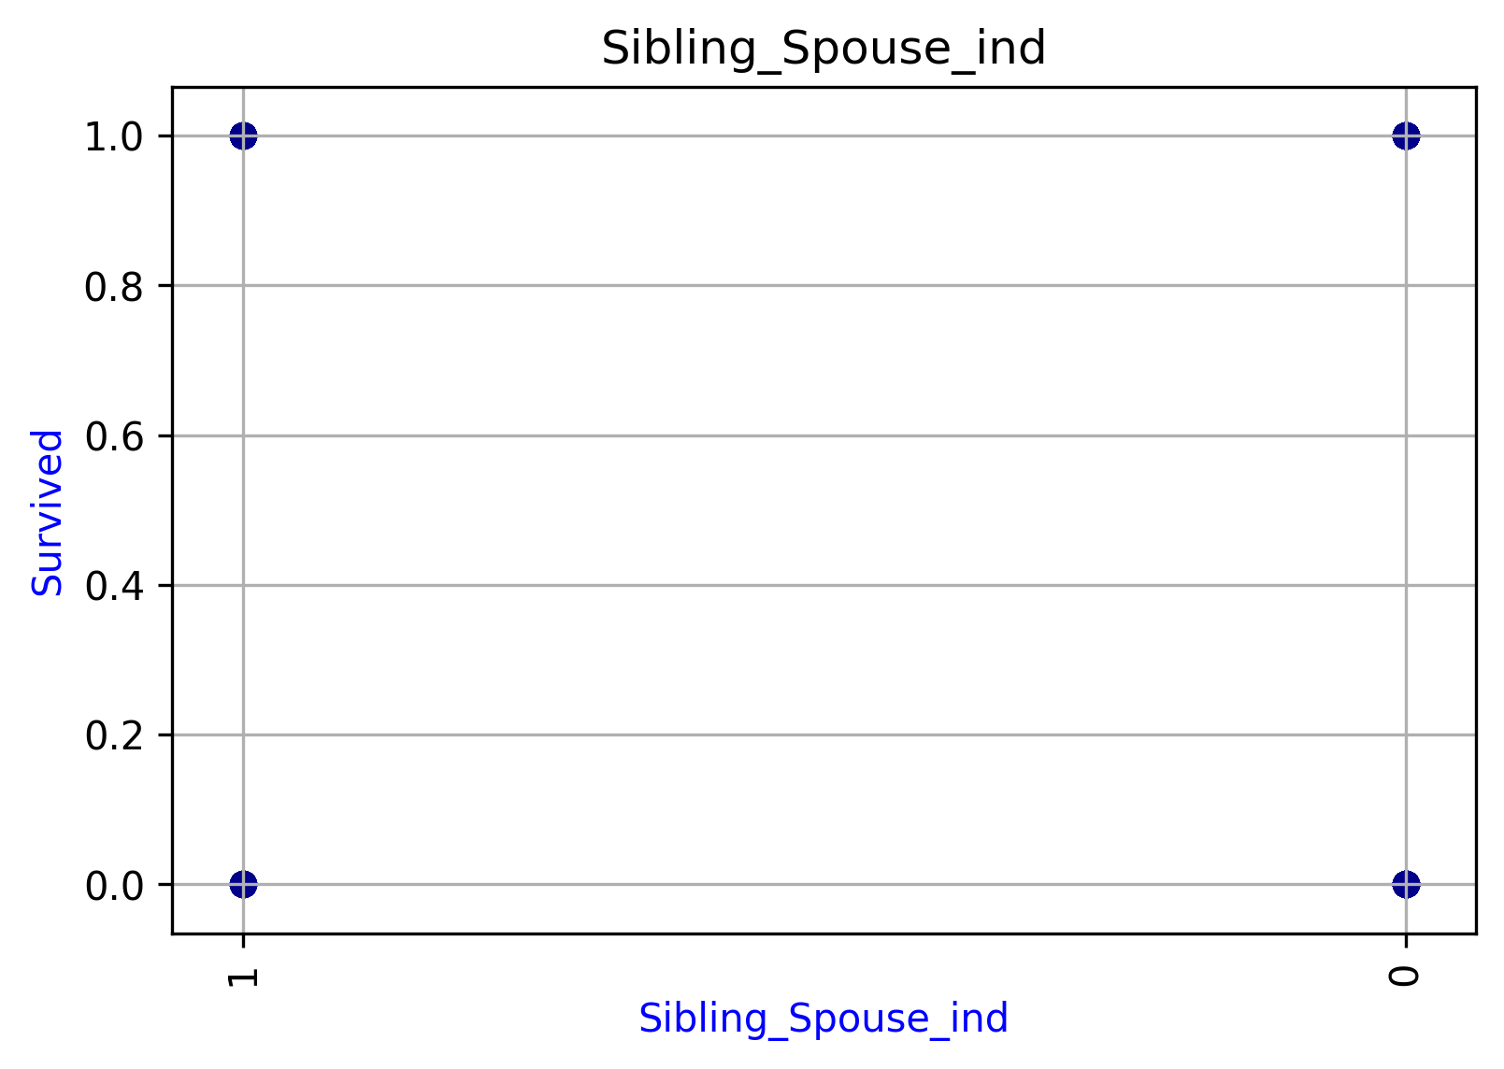
Sibling_Spouse_ind
Levels | Event | Non-Event | Total | Volume(%) | Event(%)
0 | 210 | 398 | 608 | 0.68237934905 | 0.34539473684
1 | 132 | 151 | 283 | 0.31762065095 | 0.46643109541
Total | 342 | 549 | 891 | 1 | 0.38383838384

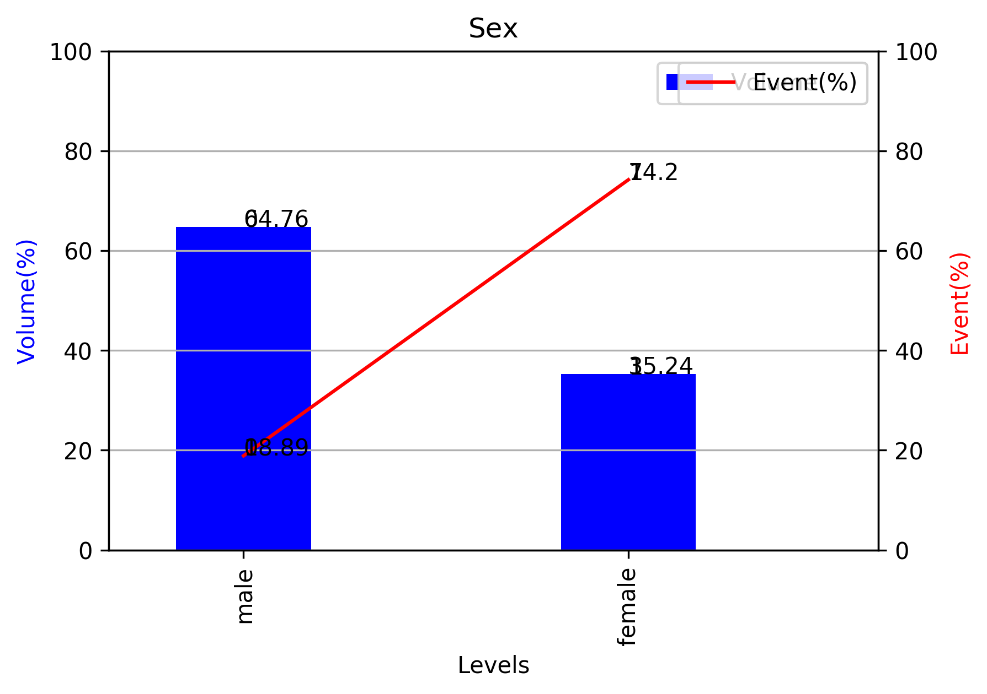
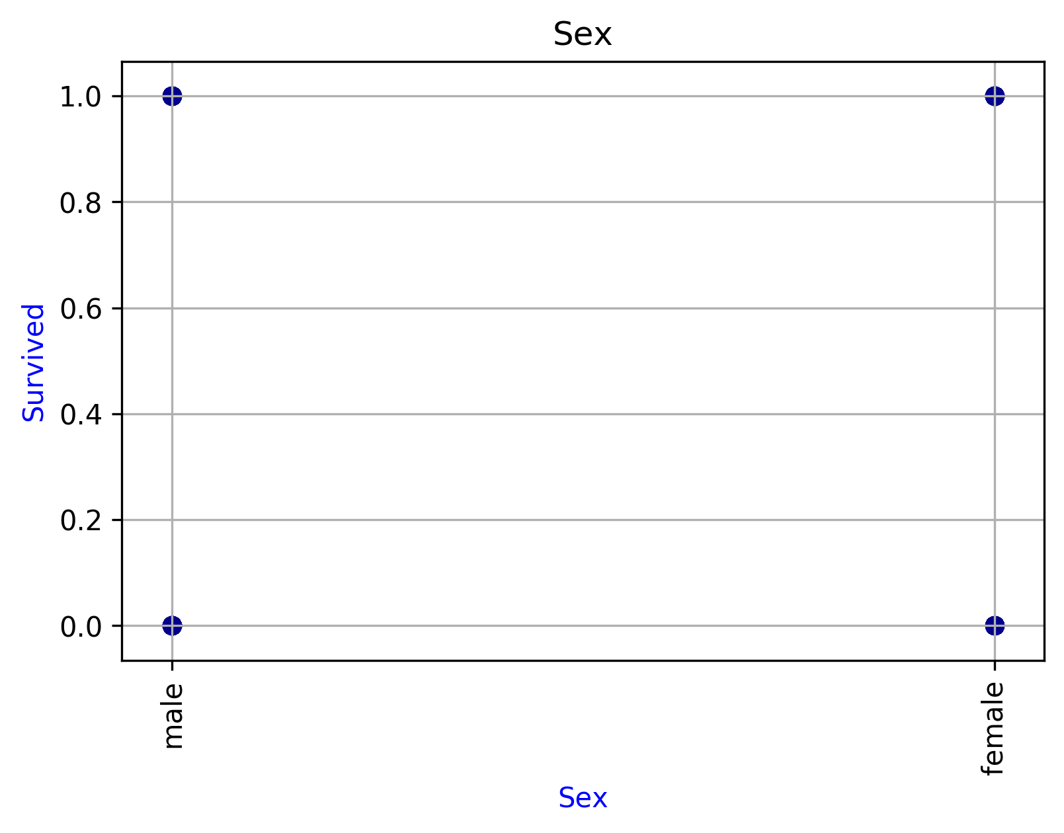
Sex
Levels | Event | Non-Event | Total | Volume(%) | Event(%)
male | 109 | 468 | 577 | 0.64758698092 | 0.18890814558
female | 233 | 81 | 314 | 0.35241301908 | 0.74203821656
Total | 342 | 549 | 891 | 1 | 0.38383838384

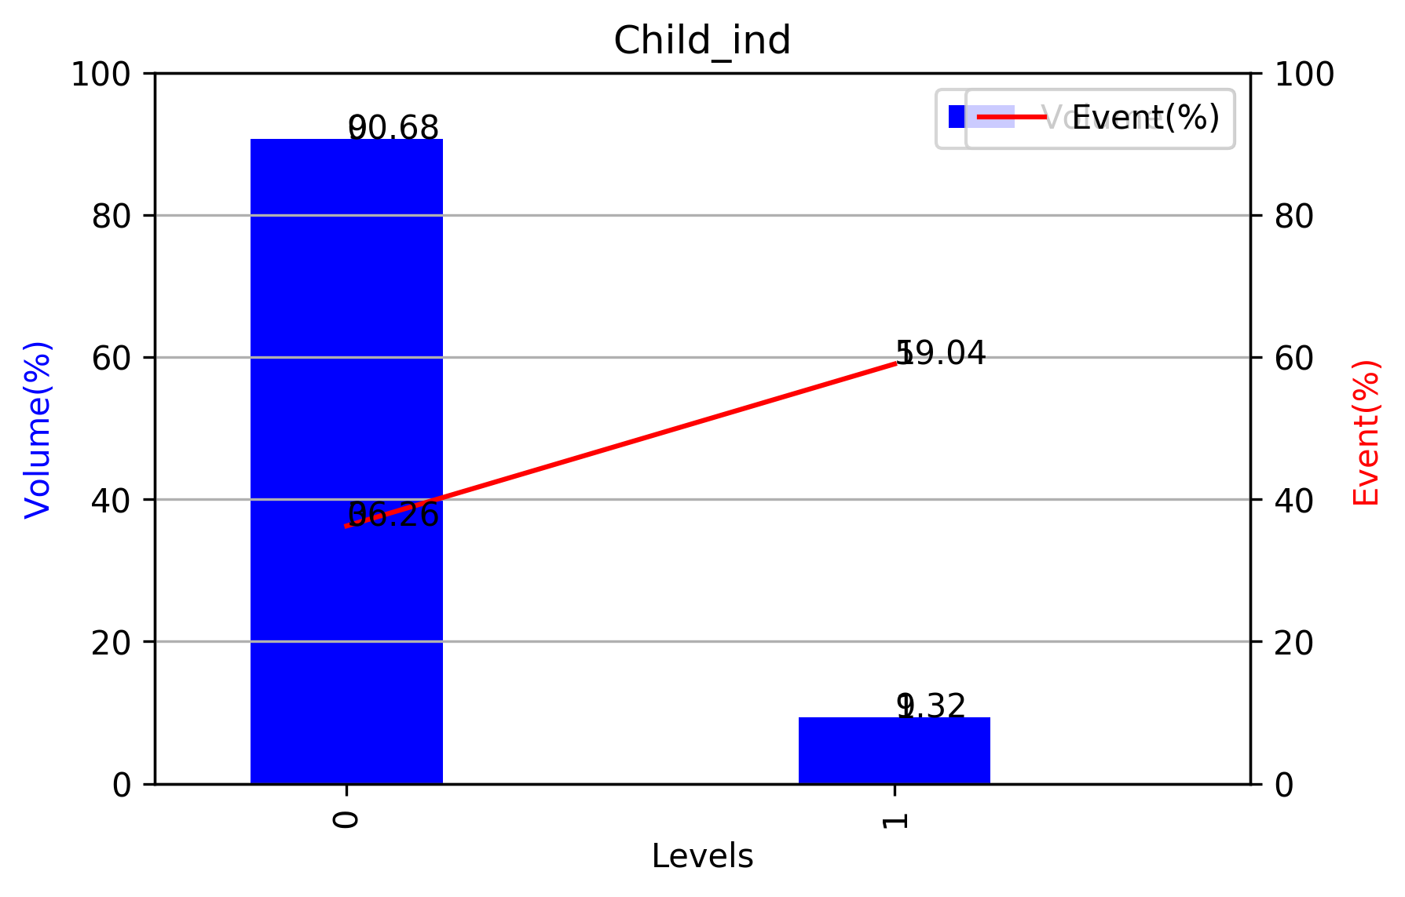
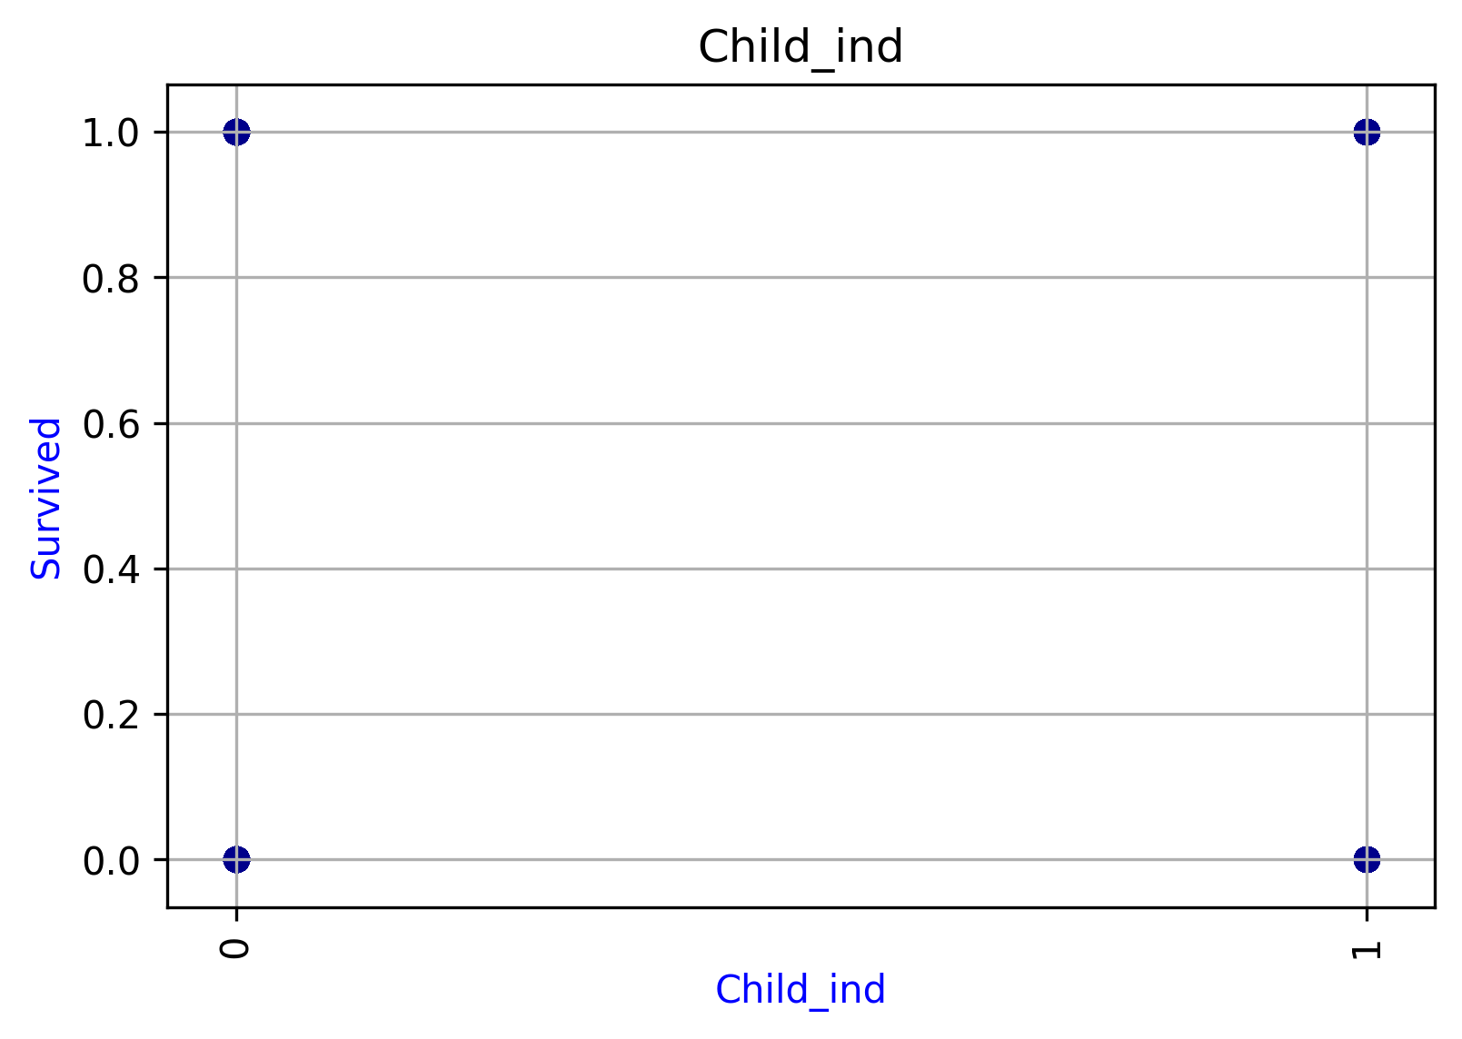
Child_ind
Levels | Event | Non-Event | Total | Volume(%) | Event(%)
0 | 293 | 515 | 808 | 0.90684624018 | 0.36262376238
1 | 49 | 34 | 83 | 0.09315375982 | 0.59036144578
Total | 342 | 549 | 891 | 1 | 0.38383838384

Randomized Search CV_RF
Model # | n_estimators | min_samples_split | min_samples_leaf | max_features | max_depth | bootstrap | 'mean_test_AUC' | 'mean_test_Accuracy' | 'mean_test_Recall' | 'mean_test_Precision' | 'mean_test_F1 Score'
Model # 1 | 400 | 30 | 5 | 'sqrt' | 9 | TRUE | 0.82415592 | 0.8459069 | 0.7271054 | 0.85818465 | 0.78311349
Model # 2 | 600 | 50 | 7 | 'auto' | 7 | FALSE | 0.83244912 | 0.85232745 | 0.74369181 | 0.86115054 | 0.79463917
Model # 3 | 800 | 30 | 5 | 'sqrt' | 9 | TRUE | 0.82622922 | 0.84751204 | 0.73125201 | 0.85883509 | 0.7861187
Model # 4 | 600 | 50 | 5 | 'auto' | 7 | TRUE | 0.82847573 | 0.84751204 | 0.74361691 | 0.84746287 | 0.78970326
Model # 5 | 200 | 50 | 5 | 'auto' | 7 | TRUE | 0.82299855 | 0.84269663 | 0.7353237 | 0.84339823 | 0.78311202
Model # 6 | 600 | 50 | 7 | 'sqrt' | 11 | FALSE | 0.83244912 | 0.85232745 | 0.74369181 | 0.86115054 | 0.79463917
Model # 7 | 400 | 50 | 7 | 'sqrt' | 11 | FALSE | 0.83244912 | 0.85232745 | 0.74369181 | 0.86115054 | 0.79463917
Model # 8 | 800 | 30 | 5 | 'sqrt' | 7 | FALSE | 0.83395809 | 0.85232745 | 0.75194757 | 0.85371911 | 0.79684483
Model # 9 | 200 | 30 | 5 | 'sqrt' | 7 | FALSE | 0.83546706 | 0.85232745 | 0.76020332 | 0.84734815 | 0.79912897
Model # 10 | 400 | 30 | 5 | 'auto' | 7 | TRUE | 0.82622922 | 0.84751204 | 0.73125201 | 0.85883509 | 0.7861187

Model Performance
 | Model # 1 | Model # 2 | Model # 3 | Model # 4 | Model # 5 | Model # 6 | Model # 7 | Model # 8 | Model # 9 | Model # 10
'split0_test_AUC' | 0.78717949 | 0.78717949 | 0.78717949 | 0.81435897 | 0.81435897 | 0.78717949 | 0.78717949 | 0.80717949 | 0.82717949 | 0.78717949
'split1_test_AUC' | 0.85421053 | 0.85421053 | 0.85421053 | 0.85421053 | 0.84105263 | 0.85421053 | 0.85421053 | 0.85421053 | 0.85421053 | 0.85421053
'split2_test_AUC' | 0.84868421 | 0.84868421 | 0.84868421 | 0.83552632 | 0.83552632 | 0.84868421 | 0.84868421 | 0.85635965 | 0.85635965 | 0.84868421
'split3_test_AUC' | 0.78070175 | 0.80153509 | 0.78070175 | 0.78837719 | 0.78837719 | 0.80153509 | 0.80153509 | 0.80153509 | 0.80921053 | 0.78070175
'split4_test_AUC' | 0.79385965 | 0.81469298 | 0.79385965 | 0.79385965 | 0.79385965 | 0.81469298 | 0.81469298 | 0.81469298 | 0.80153509 | 0.79385965
'split5_test_AUC' | 0.83004386 | 0.83004386 | 0.83004386 | 0.83004386 | 0.83004386 | 0.83004386 | 0.83004386 | 0.83004386 | 0.83004386 | 0.83004386
'split6_test_AUC' | 0.79385965 | 0.79385965 | 0.79385965 | 0.79385965 | 0.79385965 | 0.79385965 | 0.79385965 | 0.78070175 | 0.78070175 | 0.79385965
'split7_test_AUC' | 0.91118421 | 0.91118421 | 0.91118421 | 0.91118421 | 0.89035088 | 0.91118421 | 0.91118421 | 0.91118421 | 0.91118421 | 0.91118421
'split8_test_AUC' | 0.85635965 | 0.85635965 | 0.85635965 | 0.85635965 | 0.83552632 | 0.85635965 | 0.85635965 | 0.85635965 | 0.85635965 | 0.85635965
'split9_test_AUC' | 0.78618421 | 0.82785088 | 0.80701754 | 0.80701754 | 0.80701754 | 0.82785088 | 0.82785088 | 0.82785088 | 0.82785088 | 0.80701754
'mean_test_AUC' | 0.82415592 | 0.83244912 | 0.82622922 | 0.82847573 | 0.82299855 | 0.83244912 | 0.83244912 | 0.83395809 | 0.83546706 | 0.82622922
'std_test_AUC' | 0.0408188 | 0.0351545 | 0.03933975 | 0.03598788 | 0.02901648 | 0.0351545 | 0.0351545 | 0.0351794 | 0.0345019 | 0.03933975
'rank_test_AUC' | 9 | 3 | 7 | 6 | 10 | 3 | 3 | 2 | 1 | 7

 | Model # 1 | Model # 2 | Model # 3 | Model # 4 | Model # 5 | Model # 6 | Model # 7 | Model # 8 | Model # 9 | Model # 10
'split0_test_Accuracy' | 0.828125 | 0.828125 | 0.828125 | 0.84375 | 0.84375 | 0.828125 | 0.828125 | 0.84375 | 0.859375 | 0.828125
'split1_test_Accuracy' | 0.85714286 | 0.85714286 | 0.85714286 | 0.85714286 | 0.84126984 | 0.85714286 | 0.85714286 | 0.85714286 | 0.85714286 | 0.85714286
'split2_test_Accuracy' | 0.87096774 | 0.87096774 | 0.87096774 | 0.85483871 | 0.85483871 | 0.87096774 | 0.87096774 | 0.87096774 | 0.87096774 | 0.87096774
'split3_test_Accuracy' | 0.80645161 | 0.82258065 | 0.80645161 | 0.80645161 | 0.80645161 | 0.82258065 | 0.82258065 | 0.82258065 | 0.82258065 | 0.80645161
'split4_test_Accuracy' | 0.82258065 | 0.83870968 | 0.82258065 | 0.82258065 | 0.82258065 | 0.83870968 | 0.83870968 | 0.83870968 | 0.82258065 | 0.82258065
'split5_test_Accuracy' | 0.83870968 | 0.83870968 | 0.83870968 | 0.83870968 | 0.83870968 | 0.83870968 | 0.83870968 | 0.83870968 | 0.83870968 | 0.83870968
'split6_test_Accuracy' | 0.82258065 | 0.82258065 | 0.82258065 | 0.82258065 | 0.82258065 | 0.82258065 | 0.82258065 | 0.80645161 | 0.80645161 | 0.82258065
'split7_test_Accuracy' | 0.91935484 | 0.91935484 | 0.91935484 | 0.91935484 | 0.90322581 | 0.91935484 | 0.91935484 | 0.91935484 | 0.91935484 | 0.91935484
'split8_test_Accuracy' | 0.87096774 | 0.87096774 | 0.87096774 | 0.87096774 | 0.85483871 | 0.87096774 | 0.87096774 | 0.87096774 | 0.87096774 | 0.87096774
'split9_test_Accuracy' | 0.82258065 | 0.85483871 | 0.83870968 | 0.83870968 | 0.83870968 | 0.85483871 | 0.85483871 | 0.85483871 | 0.85483871 | 0.83870968
'mean_test_Accuracy' | 0.8459069 | 0.85232745 | 0.84751204 | 0.84751204 | 0.84269663 | 0.85232745 | 0.85232745 | 0.85232745 | 0.85232745 | 0.84751204
'std_test_Accuracy' | 0.03208802 | 0.02815032 | 0.03127412 | 0.02985805 | 0.02467225 | 0.02815032 | 0.02815032 | 0.02934636 | 0.03046899 | 0.03127412
'rank_test_Accuracy' | 9 | 1 | 6 | 6 | 10 | 1 | 1 | 1 | 1 | 6

 | Model # 1 | Model # 2 | Model # 3 | Model # 4 | Model # 5 | Model # 6 | Model # 7 | Model # 8 | Model # 9 | Model # 10
'split0_test_Recall' | 0.6 | 0.6 | 0.6 | 0.68 | 0.68 | 0.6 | 0.6 | 0.64 | 0.68 | 0.6
'split1_test_Recall' | 0.84 | 0.84 | 0.84 | 0.84 | 0.84 | 0.84 | 0.84 | 0.84 | 0.84 | 0.84
'split2_test_Recall' | 0.75 | 0.75 | 0.75 | 0.75 | 0.75 | 0.75 | 0.75 | 0.79166667 | 0.79166667 | 0.75
'split3_test_Recall' | 0.66666667 | 0.70833333 | 0.66666667 | 0.70833333 | 0.70833333 | 0.70833333 | 0.70833333 | 0.70833333 | 0.75 | 0.66666667
'split4_test_Recall' | 0.66666667 | 0.70833333 | 0.66666667 | 0.66666667 | 0.66666667 | 0.70833333 | 0.70833333 | 0.70833333 | 0.70833333 | 0.66666667
'split5_test_Recall' | 0.79166667 | 0.79166667 | 0.79166667 | 0.79166667 | 0.79166667 | 0.79166667 | 0.79166667 | 0.79166667 | 0.79166667 | 0.79166667
'split6_test_Recall' | 0.66666667 | 0.66666667 | 0.66666667 | 0.66666667 | 0.66666667 | 0.66666667 | 0.66666667 | 0.66666667 | 0.66666667 | 0.66666667
'split7_test_Recall' | 0.875 | 0.875 | 0.875 | 0.875 | 0.83333333 | 0.875 | 0.875 | 0.875 | 0.875 | 0.875
'split8_test_Recall' | 0.79166667 | 0.79166667 | 0.79166667 | 0.79166667 | 0.75 | 0.79166667 | 0.79166667 | 0.79166667 | 0.79166667 | 0.79166667
'split9_test_Recall' | 0.625 | 0.70833333 | 0.66666667 | 0.66666667 | 0.66666667 | 0.70833333 | 0.70833333 | 0.70833333 | 0.70833333 | 0.66666667
'mean_test_Recall' | 0.7271054 | 0.74369181 | 0.73125201 | 0.74361691 | 0.7353237 | 0.74369181 | 0.74369181 | 0.75194757 | 0.76020332 | 0.73125201
'std_test_Recall' | 0.090195 | 0.07874425 | 0.08627826 | 0.0736772 | 0.06493866 | 0.07874425 | 0.07874425 | 0.07308251 | 0.06578994 | 0.08627826
'rank_test_Recall' | 10 | 3 | 8 | 6 | 7 | 3 | 3 | 2 | 1 | 8

 | Model # 1 | Model # 2 | Model # 3 | Model # 4 | Model # 5 | Model # 6 | Model # 7 | Model # 8 | Model # 9 | Model # 10
'split0_test_Precision' | 0.9375 | 0.9375 | 0.9375 | 0.89473684 | 0.89473684 | 0.9375 | 0.9375 | 0.94117647 | 0.94444444 | 0.9375
'split1_test_Precision' | 0.80769231 | 0.80769231 | 0.80769231 | 0.80769231 | 0.77777778 | 0.80769231 | 0.80769231 | 0.80769231 | 0.80769231 | 0.80769231
'split2_test_Precision' | 0.9 | 0.9 | 0.9 | 0.85714286 | 0.85714286 | 0.9 | 0.9 | 0.86363636 | 0.86363636 | 0.9
'split3_test_Precision' | 0.8 | 0.80952381 | 0.8 | 0.77272727 | 0.77272727 | 0.80952381 | 0.80952381 | 0.80952381 | 0.7826087 | 0.8
'split4_test_Precision' | 0.84210526 | 0.85 | 0.84210526 | 0.84210526 | 0.84210526 | 0.85 | 0.85 | 0.85 | 0.80952381 | 0.84210526
'split5_test_Precision' | 0.79166667 | 0.79166667 | 0.79166667 | 0.79166667 | 0.79166667 | 0.79166667 | 0.79166667 | 0.79166667 | 0.79166667 | 0.79166667
'split6_test_Precision' | 0.84210526 | 0.84210526 | 0.84210526 | 0.84210526 | 0.84210526 | 0.84210526 | 0.84210526 | 0.8 | 0.8 | 0.84210526
'split7_test_Precision' | 0.91304348 | 0.91304348 | 0.91304348 | 0.91304348 | 0.90909091 | 0.91304348 | 0.91304348 | 0.91304348 | 0.91304348 | 0.91304348
'split8_test_Precision' | 0.86363636 | 0.86363636 | 0.86363636 | 0.86363636 | 0.85714286 | 0.86363636 | 0.86363636 | 0.86363636 | 0.86363636 | 0.86363636
'split9_test_Precision' | 0.88235294 | 0.89473684 | 0.88888889 | 0.88888889 | 0.88888889 | 0.89473684 | 0.89473684 | 0.89473684 | 0.89473684 | 0.88888889
'mean_test_Precision' | 0.85818465 | 0.86115054 | 0.85883509 | 0.84746287 | 0.84339823 | 0.86115054 | 0.86115054 | 0.85371911 | 0.84734815 | 0.85883509
'std_test_Precision' | 0.04761699 | 0.04704342 | 0.04798589 | 0.04353238 | 0.0462916 | 0.04704342 | 0.04704342 | 0.04902419 | 0.05407826 | 0.04798589
'rank_test_Precision' | 6 | 1 | 4 | 8 | 10 | 1 | 1 | 7 | 9 | 4

 | Model # 1 | Model # 2 | Model # 3 | Model # 4 | Model # 5 | Model # 6 | Model # 7 | Model # 8 | Model # 9 | Model # 10
'split0_test_F1 Score' | 0.73170732 | 0.73170732 | 0.73170732 | 0.77272727 | 0.77272727 | 0.73170732 | 0.73170732 | 0.76190476 | 0.79069767 | 0.73170732
'split1_test_F1 Score' | 0.82352941 | 0.82352941 | 0.82352941 | 0.82352941 | 0.80769231 | 0.82352941 | 0.82352941 | 0.82352941 | 0.82352941 | 0.82352941
'split2_test_F1 Score' | 0.81818182 | 0.81818182 | 0.81818182 | 0.8 | 0.8 | 0.81818182 | 0.81818182 | 0.82608696 | 0.82608696 | 0.81818182
'split3_test_F1 Score' | 0.72727273 | 0.75555556 | 0.72727273 | 0.73913043 | 0.73913043 | 0.75555556 | 0.75555556 | 0.75555556 | 0.76595745 | 0.72727273
'split4_test_F1 Score' | 0.74418605 | 0.77272727 | 0.74418605 | 0.74418605 | 0.74418605 | 0.77272727 | 0.77272727 | 0.77272727 | 0.75555556 | 0.74418605
'split5_test_F1 Score' | 0.79166667 | 0.79166667 | 0.79166667 | 0.79166667 | 0.79166667 | 0.79166667 | 0.79166667 | 0.79166667 | 0.79166667 | 0.79166667
'split6_test_F1 Score' | 0.74418605 | 0.74418605 | 0.74418605 | 0.74418605 | 0.74418605 | 0.74418605 | 0.74418605 | 0.72727273 | 0.72727273 | 0.74418605
'split7_test_F1 Score' | 0.89361702 | 0.89361702 | 0.89361702 | 0.89361702 | 0.86956522 | 0.89361702 | 0.89361702 | 0.89361702 | 0.89361702 | 0.89361702
'split8_test_F1 Score' | 0.82608696 | 0.82608696 | 0.82608696 | 0.82608696 | 0.8 | 0.82608696 | 0.82608696 | 0.82608696 | 0.82608696 | 0.82608696
'split9_test_F1 Score' | 0.73170732 | 0.79069767 | 0.76190476 | 0.76190476 | 0.76190476 | 0.79069767 | 0.79069767 | 0.79069767 | 0.79069767 | 0.76190476
'mean_test_F1 Score' | 0.78311349 | 0.79463917 | 0.7861187 | 0.78970326 | 0.78311202 | 0.79463917 | 0.79463917 | 0.79684483 | 0.79912897 | 0.7861187
'std_test_F1 Score' | 0.05329388 | 0.04555573 | 0.05111735 | 0.04589547 | 0.03766821 | 0.04555573 | 0.04555573 | 0.04489168 | 0.04388136 | 0.05111735
'rank_test_F1 Score' | 9 | 3 | 7 | 6 | 10 | 3 | 3 | 2 | 1 | 7

Lift Chart_optimized
Random Forest
Decile | MIN | MAX | Event | Non-Event | TOTAL | Volume(%) | Event(%) | Cumm_Event | Cumm_Event_Pct
(0.894, 0.97] | 0.89456954258 | 0.97025375724 | 63 | 0 | 63 | 10.11% | 100.00% | 63 | 26.03%
(0.719, 0.894] | 0.72456717382 | 0.89361853052 | 54 | 8 | 62 | 9.95% | 87.10% | 117 | 48.35%
(0.56, 0.719] | 0.56574948466 | 0.71107386364 | 47 | 14 | 61 | 9.79% | 77.05% | 164 | 67.77%
(0.418, 0.56] | 0.42021844329 | 0.56044123242 | 34 | 29 | 63 | 10.11% | 53.97% | 198 | 81.82%
(0.25, 0.418] | 0.25033284885 | 0.41761704408 | 18 | 44 | 62 | 9.95% | 29.03% | 216 | 89.26%
(0.168, 0.25] | 0.16780510753 | 0.24969380285 | 9 | 52 | 61 | 9.79% | 14.75% | 225 | 92.98%
(0.15, 0.168] | 0.15066176481 | 0.16773837587 | 8 | 54 | 62 | 9.95% | 12.90% | 233 | 96.28%
(0.122, 0.15] | 0.12240478211 | 0.15001538342 | 6 | 58 | 64 | 10.27% | 9.38% | 239 | 98.76%
(0.09, 0.122] | 0.091890598961 | 0.12217350476 | 3 | 59 | 62 | 9.95% | 4.84% | 242 | 100.00%
(0.037399999999999996, 0.09] | 0.038435830195 | 0.089494624204 | 0 | 63 | 63 | 10.11% | 0.00% | 242 | 100.00%

Graident Bossting Machine
Decile | MIN | MAX | Event | Non-Event | TOTAL | Volume(%) | Event(%) | Cumm_Event | Cumm_Event_Pct
(0.998, 1.0] | 0.99801464051 | 0.99995265192 | 63 | 0 | 63 | 10.11% | 100.00% | 63 | 26.03%
(0.911, 0.998] | 0.91467572191 | 0.99775494928 | 62 | 0 | 62 | 9.95% | 100.00% | 125 | 51.65%
(0.747, 0.911] | 0.75717394765 | 0.90461868779 | 56 | 6 | 62 | 9.95% | 90.32% | 181 | 74.79%
(0.365, 0.747] | 0.36741363239 | 0.73976865483 | 37 | 24 | 61 | 9.79% | 60.66% | 218 | 90.08%
(0.166, 0.365] | 0.16733512287 | 0.36542411084 | 10 | 41 | 51 | 8.19% | 19.61% | 228 | 94.21%
(0.124, 0.166] | 0.12448620073 | 0.16565992307 | 10 | 62 | 72 | 11.56% | 13.89% | 238 | 98.35%
(0.0462, 0.124] | 0.046494032762 | 0.123870753 | 4 | 61 | 65 | 10.43% | 6.15% | 242 | 100.00%
(0.0145, 0.0462] | 0.014777833114 | 0.045701959486 | 0 | 62 | 62 | 9.95% | 0.00% | 242 | 100.00%
(0.00401, 0.0145] | 0.004158217006 | 0.014392409262 | 0 | 62 | 62 | 9.95% | 0.00% | 242 | 100.00%
(-0.000847, 0.00401] | 0.00015252081812 | 0.0039721231062 | 0 | 63 | 63 | 10.11% | 0.00% | 242 | 100.00%

Lift Chart Rf V/s GBM
Decile | Random Forest | Gradient Boosting Machine | Baseline
0 | 0.0% | 0.0% | 0%
1 | 26.03% | 26.03% | 10%
2 | 48.35% | 51.65% | 20%
3 | 67.77% | 74.79% | 30%
4 | 81.82% | 90.08% | 40%
5 | 89.26% | 94.21% | 50%
6 | 92.98% | 98.35% | 60%
7 | 96.28% | 100.00% | 70%
8 | 98.76% | 100.00% | 80%
9 | 100.00% | 100.00% | 90%
10 | 100.00% | 100.00% | 100%

Decision Tree
Decile | MIN | MAX | Event | Non-Event | TOTAL | Volume(%) | Event(%) | Cumm_Event | Cumm_Event_Pct
(0.667, 1.0] | 0.71428571429 | 1 | 178 | 7 | 185 | 29.70% | 96.22% | 178 | 73.55%
(0.267, 0.667] | 0.5 | 0.66666666667 | 26 | 14 | 40 | 6.42% | 65.00% | 204 | 84.30%
(0.112, 0.267] | 0.26666666667 | 0.26666666667 | 8 | 22 | 30 | 4.82% | 26.67% | 212 | 87.60%
(0, 0.112] | 0 | 0.11240310078 | 30 | 338 | 368 | 59.07% | 8.15% | 242 | 100.00%

